Agenda
MARQUARDT SUMMER INTERNSHIP 2024
Summer Session starts on July 1, 2024 and ends on July 19, 2024.
Each participant will receive a hardware super-kit comprising:
 | - 1x Development Board Kit comprising:
 |  | - 1x ATmega324PB development board
 |  | - 1x IO extension board
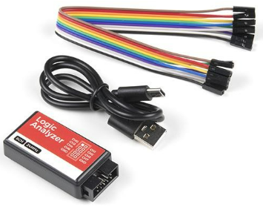
 |  | - 1x OLED extension board
 |  | - 1x USB cable (type micro-B)
 | - 1x Logic Analyzer Kit comprising:
 |  | - 1x Logic Analyzer box
 |  | - 1x USB cable (type C)
 |  | - 5x wires mother-mother
Please return the hardware super-kit at the end of the Internship! Synch-up with your instructor to receive and return the super-kit!

Workflow |  |  |  |  |  |  |  |  |  |  |  |  |  |  |  |  |  |  |  |  |  |  | Tools
Below you have a sketch of our main workflow: |  |  |  |  |  |  |  |  |  |  |  |  |  |  |  |  |  |  |  |  |  |  | Below you have a checklist with infrastructure tools/environments used:

 |  |  |  |  |  |  |  |  |  |  |  |  |  |  |  |  |  |  |  |  |  |  |  | Item |  |  | Expected status
 |  |  |  |  |  |  |  |  |  |  |  |  |  |  |  |  |  |  |  |  |  |  | FALSE | Whatsapp group |  |  | created & joined
 |  |  |  |  |  |  |  |  |  |  |  |  |  |  |  |  |  |  |  |  |  |  | FALSE | Google Meet room |  |  | created & having access code
 |  |  |  |  |  |  |  |  |  |  |  |  |  |  |  |  |  |  |  |  |  |  | FALSE | Dev board kit handover |  |  | received & functional
 |  |  |  |  |  |  |  |  |  |  |  |  |  |  |  |  |  |  |  |  |  |  | FALSE | IAR Embedded Workbench |  |  | downloaded & installed with 4K trial license
 |  |  |  |  |  |  |  |  |  |  |  |  |  |  |  |  |  |  |  |  |  |  | FALSE | Google Sheets |  |  | access granted to Work Instructions/Progress
 |  |  |  |  |  |  |  |  |  |  |  |  |  |  |  |  |  |  |  |  |  |  | FALSE | Github | FALSE | server | account created & access granted
 |  |  |  |  |  |  |  |  |  |  |  |  |  |  |  |  |  |  |  |  |  |  |  |  | FALSE | desktop | downloaded & installed
 |  |  |  |  |  |  |  |  |  |  |  |  |  |  |  |  |  |  |  |  |  |  |  |  |  |  | GitHub Desktop App
 |  |  |  |  |  |  |  |  |  |  |  |  |  |  |  |  |  | Upload Project/ `git push`
 |  |  |  |  |  |  |  |  |  |  |  |  |  |  |  |  |  |  |  |  |  | quizzes
 |  |  |  |  |  |  |  |  |  |  |  |  |  |  |  |  |  |  |  |  |  | reference-documents
hei!
 |  |  |  |  |  |  |  |  |  |  |  |  |  |  |  |  |  |  |  |  |  | work-instructions
 |  |  |  |  |  |  |  |  |  |  |  |  |  |  |  |  |  |  |  |  |  | src
 |  |  |  |  |  |  |  | Coding......
 |  |  |  |  |  |  |  |  |  |  |  |  |  |  |  |  | Download Reference Documents
 |  |  |  |  |  |  |  |  |  |  |  |  |  |  |  |  |  |  | Low-stake quizzes

 |  |  |  |  |  |  |  |  |  |  |  |  |  | Meetings/ discussions/ Q&A

Project organization
 | Each participant will organize the project on his local computer under the following mandatory folder structure (Please respect the C:/ path shown below! Do not change it!).
 | First step: create the following directory
 | C:/ |  | MQ_Summer_Internship_2024

 | Then, in a second step, when you will download from github the repositories, you will save them under the above directory. Therefore the folder structure will finally look like this:

 | C:/ |  | MQ_Summer_Internship_2024
 |  |  |  | Project
 |  |  |  | Reference_Documents

 | Each week participants will receive documented Work Instructions. They have an hierarchical numbered structure of Goals-Objectives-Exercises (e.g. 123 means Goal no.1, Objective no.2, Exercise no.3)
 | The goal is the broader weekly frame you want to develop yourself in and this cannot be achieved without having defined objectives.
 | Finally, you know you have accomplished an objective by doing its exercises.
 | Some of the objectives/exercises are optional (they are marked accordingly) so that all different individual study paces are covered.

Timeline

 | 1.jul |  |  |  |  |  |  | 8.jul |  |  |  |  |  |  | 15.jul
 | s1 |  |  |  |  |  |  | s2 |  |  |  |  |  |  | s3
 | L | M | M | J | V | S | D | L | M | M | J | V | S | D | L | M | M | J | V | S | D

 | Color legend: |  |  |  |  | on Whatsapp on request
 |  |  |  |  |  | on Google meet => Team meetings
 |  |  |  |  |  | on Google meet => 101 meetings (prefered days)
 |  |  |  |  |  | weekly Work Instructions automatically deployed
 |  |  |  |  |  | weekly (spaced) tests automatically deployed
 |  |  |  |  |  | receiving/returning the hardware super-kits

Meetings

 | << Team meetings >>
 | There will be a weekly standard meeting for team synchronisation (established on majority common agreement), on Google Meet (synch-up with your instructor for exact hour).
 | Typically we will discuss about the objectives and exercises you have to do, clarify requirements and concepts. Duration is variable, usually takes 1-2h.
 | During the days you will have your time to study and practice based on the defined objectives. You should concentrate yourself on delivering results. For blocking situations you can ask your instructor also outside the meetings.
 | Additionally, a communication WhatsApp group will be created, therefore you can also ask your colleagues there.

 | << 101 meetings >>
 | There will be also a 45 min weekly personal meeting (the so called 101 meetings) with your instructor to check your progress. Typically you should present your progress, receive feedback, analyze the
 | code and concepts, watch for signals on logic analyzer. The code will be shared via https://github.com/ platform. You will receive access rights from your instructor.

Agenda
 | The following is a summary of the agenda prepared:
 | Week 1
 |  | - Refresh your knowledge on C programming, microcontrollers, electronics
 |  | - Build your first project/program code
 |  | - Working with LEDs and programming GPIO
 |  | - Building a control panel
 | Week 2
 |  | - Working with ADC
 |  | - Working with Timers
 | Week 3
 |  | - Working with PWM signals
 |  | - Serial communication UART
 |  | - Further development activities you can do (maybe you want to buy your own dev kit for personal projects)
 |  | - Conclusions and Feedback

Guide
MARQUARDT SUMMER INTERNSHIP 2024
Guidelines on how to install IAR Embedded Workbench IDE + creating a new project
How to install IAR Embedded Workbench IDE
 | Go to IAR website and choose the product as in the picture below:
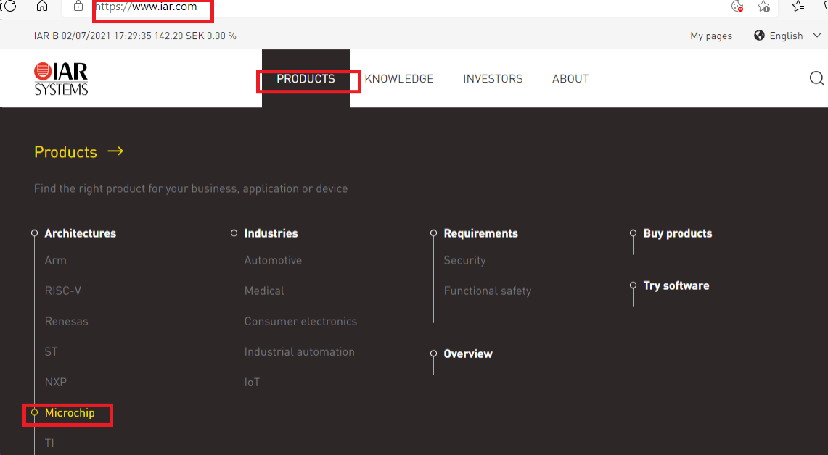

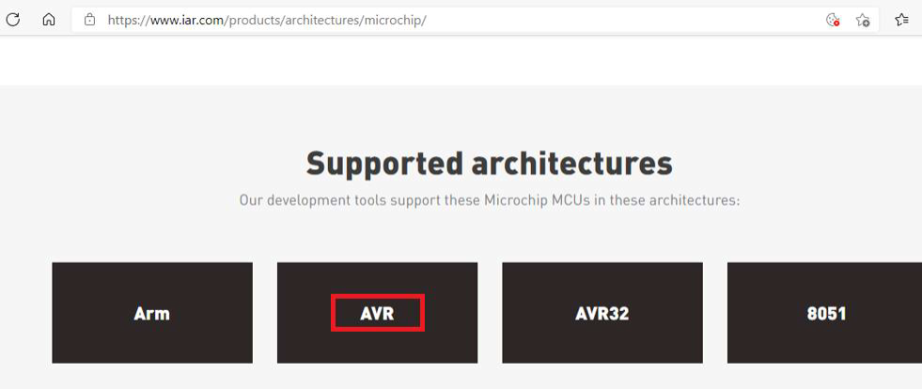
 | Then scroll down the page to the supported architectures and choose AVR:

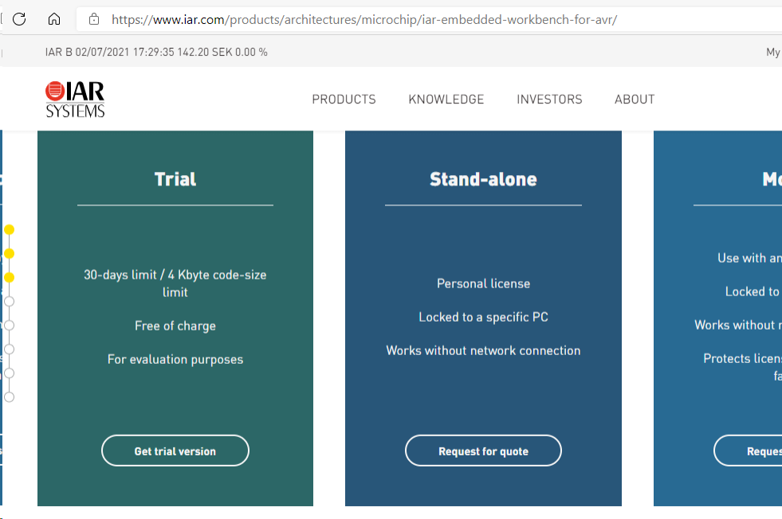
 | Then go down the page until you encounter the trial version box.

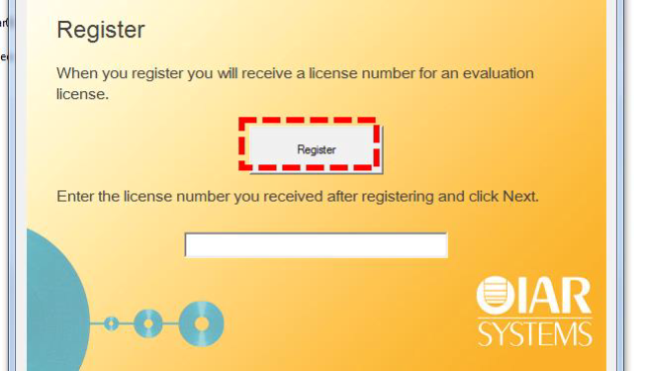
 | Download the trial version and install the latest package version. You will be asked to introduce a license number: choose to get an evaluation license and register yourself on the IAR’s website as below:
 | Be attentive !!! to choose 4K code size !!! version of the evaluation license !!!

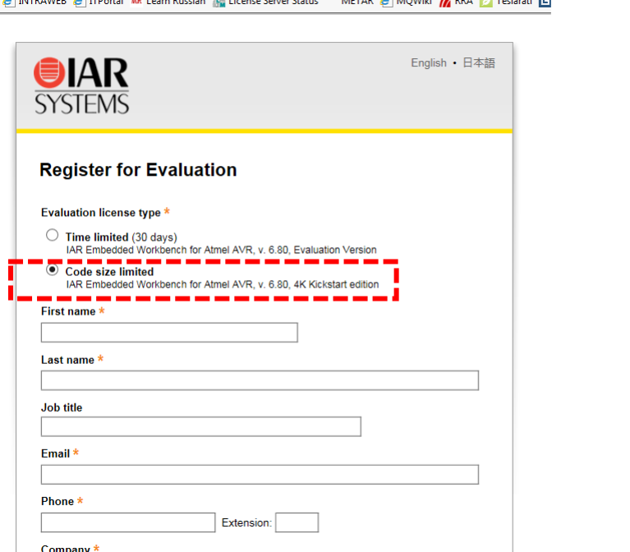

 | You will get by email a license code which you will use further.
 | Now you are ready to start a new project with IAR Embedded Workbench!

How to create a new project
 | Follow the steps below:
 | 1 | Connect the main ATMega324PB board via USB to your PC/laptop.
 |  | Green LED (Power) should be lit.
 | 2 | Open IAR Embedded Workbench IDE.
 | 3 | From menu bar create a new project IAR:
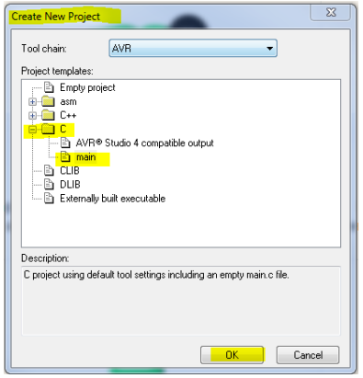
 |  | Project -> Create New Project -> C -> main -> OK

 | 4 | Save the project with the following name SpringInternship2023 (observe the file extension is .ewp). Save it to Project folder.
 | 5 | Save the workspace: File -> Save All then choose a name for it as the following
 |  | pattern shows (e.g. StanC) (observe the file extension is now .eww). The difference
 |  | between project and workspace is that a workspace can hold many other projects.
 | 6 | Further on, there are three settings you have to make: choose the microcontroller type and the debugger type and finally shutdown compiler optimizations.
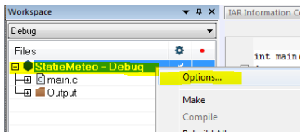

 |  | First, right click on project name in the Project browser -> Options -> General Options -> Target -> Processor Configuration -> ATmega324PB
 |  | (look on the development board and visually check you have indeed the ATmega324PB!!!).
 |  | Second option is on Debugger area, where you select Atmel-ICE from the drop-down list (attention!!! DO NOT select SIMULATOR!!!). Confirm with OK.
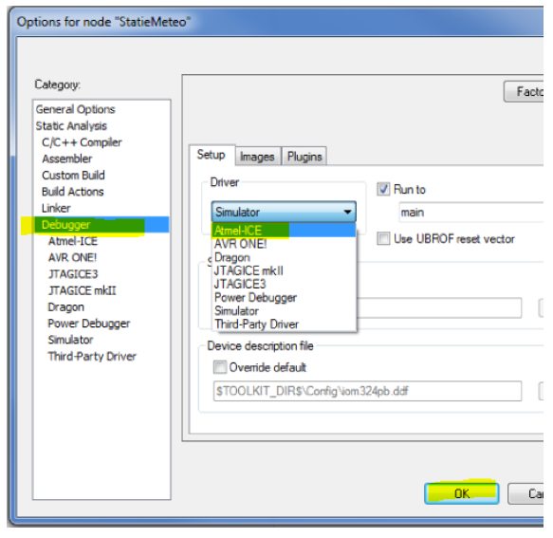

 |  | Third, go to C/C++ Compiler -> (tab) Optimizations -> Level -> None.

 | 7 | That's it! this is all you need to get started on writing code, downloading, run it and/or debugging.

Coding rules

 | 1 | comment your code at each line (relevant line & relevant comment)
 | 2 | one exercise = one commit on github
 | 3 | place a comment at the beginning of the file showing what exercise is it (USE 123 SCHEMATIC)
 | 4 | upload on github only compilable & runable code!!! full project (all files included) |  |  |  |  |  |  | FOR YOUR INFO | 🔊
 | 5 | no use of magic numbers (use #defines instead) |  |  |  |  |  |  | Smelly code and Magic Numbers - YouTube
 | 6 | use #include " " for your own modules, not < >
 | 7 | start to name your functions and variables with a prefix of the module
 |  |  | e.g. tc0 is my module
 |  |  |  | => tc0_init( ), tc0_set_value( ) are functions
 |  |  |  | => tc0_counter, tc0_temp are variables

How to work with LOGIC ANALYZER (example for LED0 exercise)

 | 1 | Cables connection must be done when the analyzer is NOT POWERED!!!

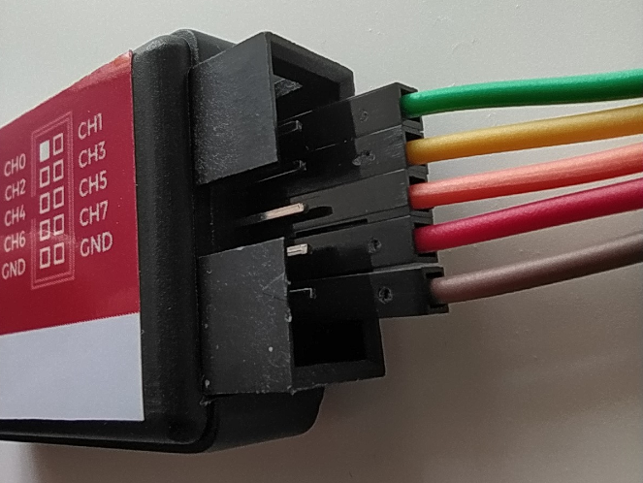
 |  | 1.1 | We make this convention to connect the ribbon cable to work as standard as possible.
 |  |  |  |  | Therefore we will use only odd channels CH1, CH3, CH5, CH7. |  |  |  | FOR YOUR INFO | 🔊
 |  |  |  |  | In the majority of our use cases these 4 channels are sufficient. |  |  |  | USB Logic Analyzer - 24MHz/8-Channel - SparkFun Electronics
 |  |  |  |  | So, color legend:
 |  |  |  |  | CH1 = green
 |  |  |  |  | CH3 = yellow
 |  |  |  |  | CH5 = orange
 |  |  |  |  | CH7 = red
 |  |  |  |  | GND = brown
 |  |  |  |  | The odd channels are on the bottom pin row (as in the picture).

 |  | 1.2 | Ground (GND) wire must be connected to a GND pin on the main development board
 |  |  | (we choose pin 2 = GND from EXT3 header because this header is left open/unplugged).
 |  |  |  | BACK VIEW |  | FRONT VIEW
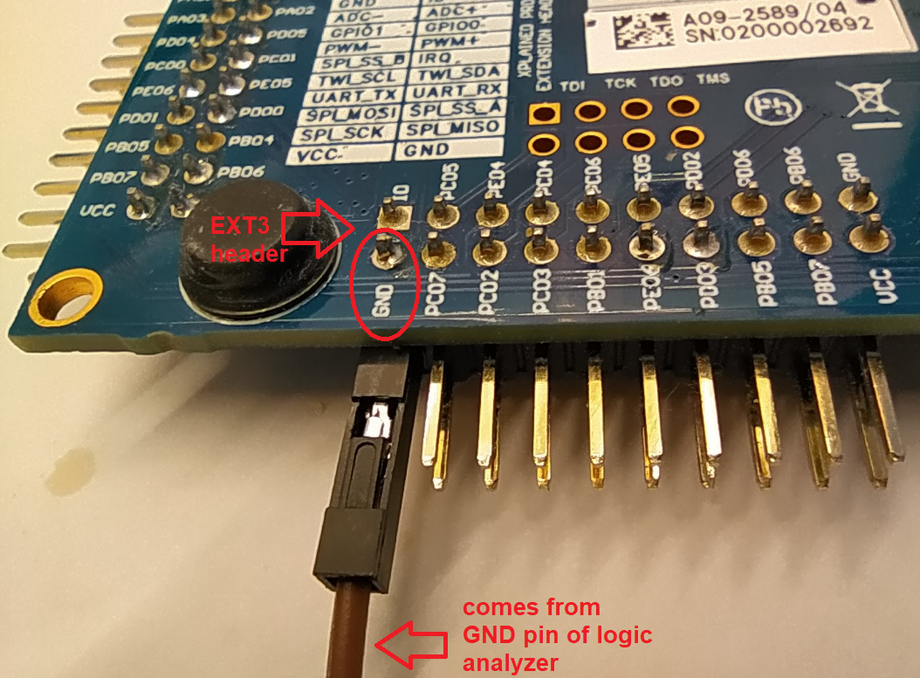
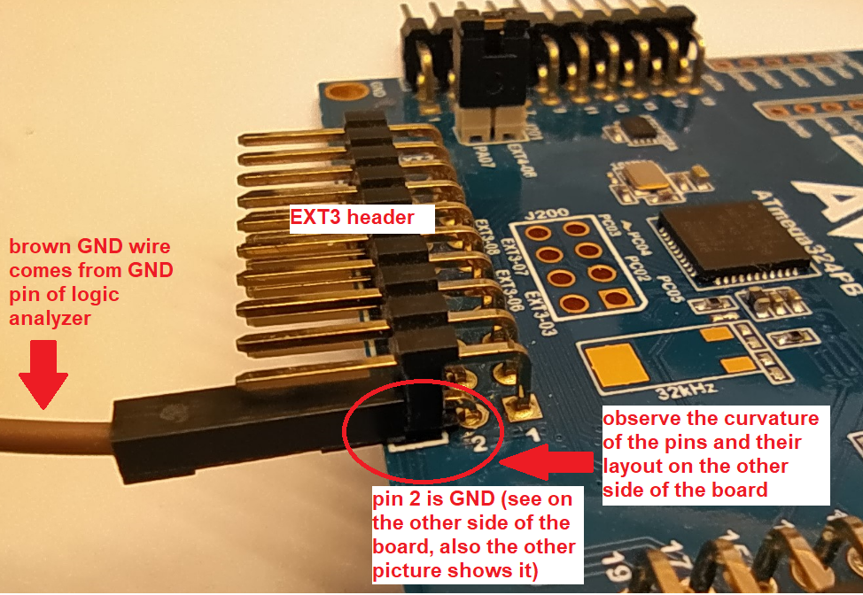

 |  | 1.3 | LED0 is connected to pin PC7 therefore one of the logic analyzer's channels must be connected to this pin
 |  |  | in order to record the electrical signal applied to LED0 (pin PC7 = PC07 = pin 4).
 |  |  |  | BACK VIEW |  | FRONT VIEW
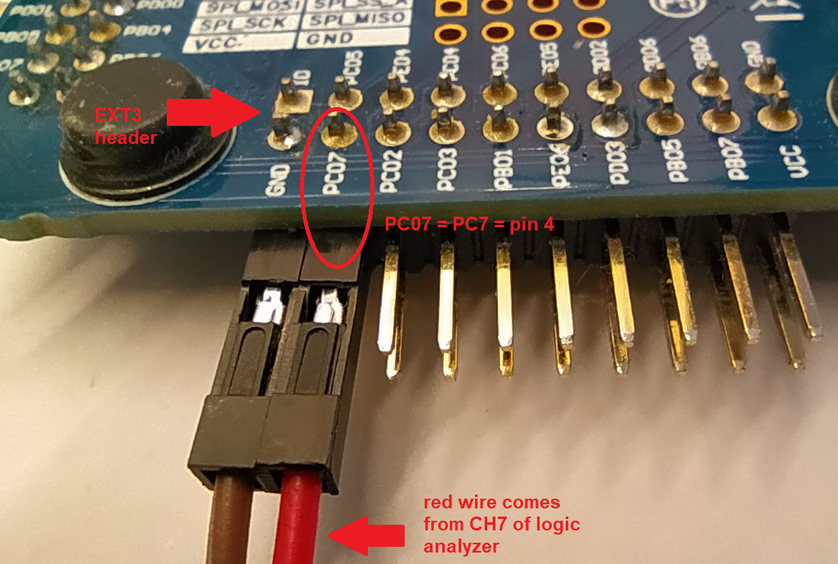
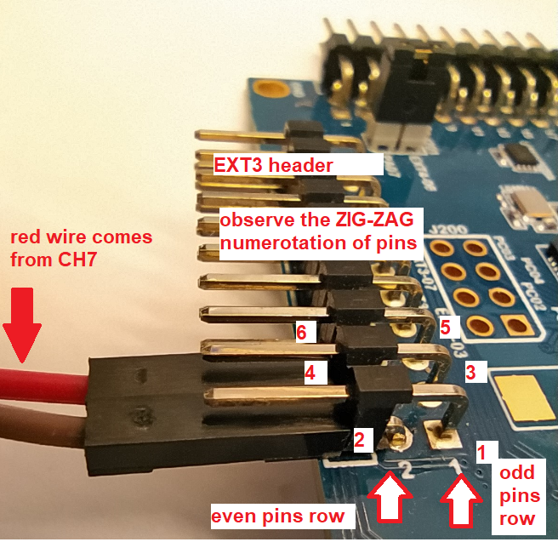

 | 2 | Read carefully the instructions from this link below to install & use PulseView software on your PC.
 |  | Using the USB Logic Analyzer with sigrok PulseView - SparkFun Learn

Development Kit for beginners (not used in internship)
 | No. crt. |  |  | Component |  |  | Price RON | Supplier
 | 1 |  |  | Plusivo kit (within a box LxlxH = 200x132x45) |  |  | 149 | https://www.optimusdigital.ro/ro/kituri/12333-kit-plusivo-microcontroller-starter.html?gclid=Cj0KCQiA3eGfBhCeARIsACpJNU86VeCj8GGgFff3iqX9eNE3NqsATU6Uj1DH0dk4hXpYFsLFTuVRwoEaAqG1EALw_wcB
 | 2 |  |  | I2C translator for LCD 1602 (additional to the Plusivo kit) |  |  | 8.99 | https://www.optimusdigital.ro/ro/adaptoare-i-convertoare/89-adaptor-i2c-pentru-lcd-1602.html?gclid=Cj0KCQiA3eGfBhCeARIsACpJNU9oYRlh20Sr1rMR73bcYMzlHenujwi9TngvRa1rMo_5Tm5PTJ-3-SoaAi5zEALw_wcB
 | 3 |  |  | Multimeter (has 2x AAA batteries included) |  |  | 39.99 | https://www.optimusdigital.ro/ro/multimetre/12025-multimetru-dm101.html?search_query=multimetru&results=28
 | 4 |  |  | Logic Analyzer ( here you have the model ) |  |  | 140 | UNITEL SIBIU, you send them an email: unitel@rdslink.ro, includes TVA + transport tax
 | 5 |  |  | Power supply 12V 1A |  |  | 14.99 | https://www.optimusdigital.ro/ro/electronica-de-putere-alimentatoare-priza/2885-alimentator-stabilizat-12v-1000ma.html?search_query=alimentator+12v&results=8
 | 6 |  |  | Plastic box LxlxH = 260x170x95 (to contain all of the above) |  |  | 10.9 | https://www.officedirect.ro/accesorii-pentru-birou/produse-pentru-ambalat/cutie-depozitare-din-plastic-cu-manere-si-capac-2-5-l?gclid=CjwKCAjw4c-ZBhAEEiwAZ105RcgxLGlltQMUjVgssIn-gL40F5VdmEcWRYIu37420beefFFpX6nlPhoC6dkQAvD_BwE
 |  |  |  |  |  | TOTAL | 363.87
 |  |  |  | Optional
 | 7 |  |  | Kit of 37 types of sensors for Arduino |  |  | 118.96 | https://www.emag.ro/kit-senzori-pentru-arduino-37-in-1-72403/pd/D0STG8BBM/
 | 8 |  |  | ESP8266 (to extend towards wireless and IoT domain) |  |  | 29.99 | https://www.optimusdigital.ro/en/esp8266-boards/3312-wemos-micro-placa-de-dezvoltare-wifi-cu-esp8266-i-ch340g.html?gclid=Cj0KCQiA3eGfBhCeARIsACpJNU-7xxRy98K6xykXMupjA5RbwudEAfignN-ktK8sJSLfI76J-kpLEfAaAgVcEALw_wcB

W1-part1
 | MARQUARDT SUMMER INTERNSHIP 2024
 | GOAL FOR THIS WEEK 1: set up the stage for software embedded development |  |  |  |  |  |  |  | 0% |  | 0% | of | 19 | additional materials
 |  | By the end of this week you should be able to recognize and control your system and tools very effectively and efficiently.
 |  | Also you must be honest to yourself making an assessment for your knowledge/skill level from where you start to grow.
 |  | On short what you will do this week:
 |  |  | - get to know your dev boards, IDE and backend compiler.
 |  |  | - refresh your knowledge on C programming language, microcontrollers and basic electronics

 | Objective 1: Knowing your main development board (you can get help by opening also User Guide for ATMega324PB Xplained PRO)
 | 🥇 | 0%

 |  | 111 | FALSE | Search and identify ATMega324PB microcontroller on the board.
 |  | 112 | FALSE | Search and identify LED0, a LED that you will program to lit later
 |  | 113 | FALSE | Search and identify SW0, a switch that you will program later to be interpreted as pressed/not pressed.
 |  | 114 | FALSE | Search and identify other components like external oscillator and debugger chip/microcontroller.
 |  | 115 | FALSE | How many extension headers there are on the board?
 |  |  |  |  | ( <<< just fill in the number ) |  |  |  |  |  | FOR YOUR INFO |  |  | 🔊
 |  | 116 | FALSE | How are the extension headers labeled? |  |  |  |  |  |  | During internship you will develop embedded applications without using wires in circuits because the boards
 |  |  |  |  | ( <<< one example of label found ) |  |  |  |  |  | can be easily connected via built-in connectors. It is a safe practice, especially now that you are new
 |  | 117 | FALSE | Search and identify GND and VCC pins on the headers and on the power connector. |  |  |  |  |  |  | to embedded and PCB burn-outs should be avoided. But remember that in the office you will be often
 |  | 118 | FALSE | Connect the USB cable to the main board and you should see the green LED lit. |  |  |  |  |  |  | required to solder some wires on the PCB with all the necessary safety measures!

 |  | 119 | FALSE | OPTIONAL | Even though you don't have an external power supply connected to VCC and GND the board is still |  |  |  |  |  | FOR YOUR INFO |  |  | 🔊
 |  |  |  |  | powered up (green LED lit) when pluging in the USB cable. How can you explain that? |  |  |  |  |  | You can watch/read on about Human-Body Model used in electrostatic discharges here:
 |  |  |  |  |  | (<<< your answer here) |  |  |  | FALSE | Understanding Electrostatic Discharge (ESD) for Technicians - YouTube |  |  |  |  |  | 😂👍
 |  |  |  |  |  |  |  |  |  | FALSE | What is ESD? Learn more about the basics of electrostatic charge - YouTube
 |  |  |  |  |  |  |  |  |  | FALSE | Human-body model - Wikipedia
 |  |  |  |  |  |  |  |  |  | FALSE | Human-Body Model and Electrostatic Discharge (ESD) Tests - In Compliance Magazine |  |  |  | 😮

 | Objective 2: Knowing your extension board (OLED1) (you can get help by opening User Guide for OLED1 Xplained PRO)
 | DO NOT CONNECT the extension board to the main board yet!!! Follow the exercises!!!
 | 🥇 | 0%

 |  | 121 | FALSE | Search and identify OLED display.
 |  | 122 | FALSE | Search and identify LED1, LED2 and LED3 that you will program to lit.
 |  | 123 | FALSE | Search and identify BUTTON 1, BUTTON 2 and BUTTON 3.
 |  | 124 | FALSE | Search and identify the extension header.
 |  | 125 | FALSE | Search and identify GND and VCC pin on the header.
 |  | 126 | FALSE | Now, follow this 3-steps procedure: (1) unplug the USB cable from PC/laptop!!! (2) connect OLED1
 |  |  |  | board to EXT1 header from the main board and (3) finally reconnect the USB cable to the PC/laptop.
 |  |  |  | You must ALWAYS follow this procedure when you want to connect something to the main board!

 | Objective 3: Knowing your extension board (IO1) (you can get help by opening User Guide for IO1 Xplained PRO)
 | DO NOT CONNECT the extension board to the main board yet!!! Follow the exercises!!!
 | 🥇 | 0%

 |  | 131 | FALSE | Search and identify the light sensor.
 |  | 132 | FALSE | Search and identify the temperature sensor.
 |  | 133 | FALSE | Search and identify the lowpass filter.
 |  | 134 | FALSE | Search and identify the microSD card slot.
 |  | 135 | FALSE | Search and identify the LED on the board.
 |  | 136 | FALSE | Search and identify the extension header.
 |  | 137 | FALSE | Search and identify GND and VCC pin on the header.
 |  | 138 | FALSE | Now, follow this 3-steps procedure: (1) unplug the USB cable from PC/laptop!!! (2) connect IO1
 |  |  |  | board to EXT4 header from the main board and (3) finally reconnect the USB cable to the PC/laptop.
 |  |  |  | You must ALWAYS follow this procedure when you want to connect something to the main board!

 | Objective 4: Build a new project with IAR Embedded Workbench IDE
 | 🥇 | 0%

 |  | 141 | FALSE | Install IAR Embedded Workbench on your computer (see Guide on how to do this).
 |  | 142 | FALSE | First steps to follow when creating a new project in IAR EW are described in the same Guide.
 |  | 143 | FALSE | Write the following code in main.c file. It will be programmed (flashed/downloaded) on |  |  |  |  |  |  | FOR YOUR INFO |  |  | 🔊
 |  |  |  | the ATmega 324PB microcontroller by selecting Download and Debug . Once you |  |  |  |  |  |  | In high level programming (e.g. languages like C++, C#, Java) you will find the function main( ) as first
 |  |  |  | do this you are in DEBUGGING mode. To exit DEBUGGING mode you select the icon |  |  |  |  |  |  | function in the program that is executed and where all other functions callings are happening. Well, in
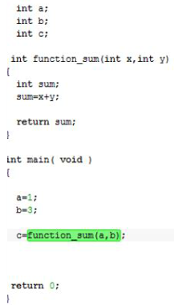
 |  |  |  | Stop debugging. |  |  |  |  |  |  | embedded, there is a world before main( ) (therefore the main( ) function becomes a trivial function
 |  |  |  |  |  |  |  |  |  |  | like any other, the entry point in the execution of the program it is another code that is executed before
 |  |  |  |  |  |  |  |  |  |  | the main( ) function. This code usually is dubbed as startup code.
 |  |  |  |  |  |  |  |  |  |  | You can visualize this startup code in Dissasembly window of IAR EW.

 |  | 144 | FALSE | Try out the functionality of all buttons used for debugging (the blue buttons) to get familiar with their effects.
 |  |  |  | e.g. RESET, RUN UNTIL CURSOR, STEP OVER, etc....

 |  | 145 | FALSE | Try out the windows in IDE: observe in Watch window the variables (right-click to change the format in decimal or hexa),
 |  |  |  | check the Memory window for placement of those variables in memory (at what address they are?), observe in
 |  |  |  | the Registers window the changing PC (Program Counter) and SP(Stack Pointer) as you go through the program step wise. |  |  |  |  |  |  | FOR YOUR INFO |  |  | 🔊
 |  | 146 | FALSE | Now that you are finishing Objective 4, you must upload your project files to github.com as instructed on your personal branch. |  |  |  |  |  | FALSE | Git Tutorial (w3schools.com)

 | Objective 5: Refresh your C programming language know-how
 | 🥇 | 0%
 |  |  |  |  |  |  |  |  |  |  | FOR YOUR INFO |  |  | 🔊
 |  | 151 | FALSE | How to handle the different numeration systems (binary, decimal, hexadecimal): |  |  |  |  |  |  | Embedded C difference
 |  |  |  | Why Do Computers Use 1s and 0s? Binary and Transistors Explained. - YouTube |  |  |  |  |  | FALSE | What Actually is Embedded C/C++? Is it different from C/C++? - YouTube
 |  |  |  | How To Convert Binary to Hexadecimal - YouTube
 |  |  |  | How To Convert Hexadecimal To Binary |  |  |  |  |  |  | Why you should master the hexadecimal system: |  |  |  |  | 👍
 |  |  |  | How To Convert Decimal to Binary - YouTube |  |  |  |  |  | FALSE | Why do programmers use hexadecimal numbers? - YouTube
 |  |  |  | How To Add and Subtract Binary Numbers - YouTube
 |  |  |  | Binary Addition and Subtraction With Negative Numbers, 2's Complements & Signed Magnitude - YouTube
 |  |  |  | Now, are you able to create a single question for testing your colleague's knowledge on these topics?
 |  |  |  | The question you create will be used later to build up a quiz for the students group and must be of type
 |  |  |  | "multiple choices - single answer" or "true-false" (include the correct answer also).
 |  |  |  |  | ( <<< your question here )

 |  | 152 | FALSE | In the program code above insert comments explaining what the program does (sum up two numbers).
 |  |  |  | The preprocessor will output files with extension .i. Check how the preprocessor works using the |  |  |  |  |  |  | FOR YOUR INFO |  |  | 🔊
 |  |  |  | settings showed below. Visualize the .i files and observe how the code comments are preprocessed |  |  |  |  |  |  | Quick presentation on compiler:
 |  |  |  | for your main.c file. |  |  |  |  |  | FALSE | How do computers read code? - YouTube
 |  |  |  |  | ( <<< write down your observations here ) |  |  |  |  |  | About assembly language:
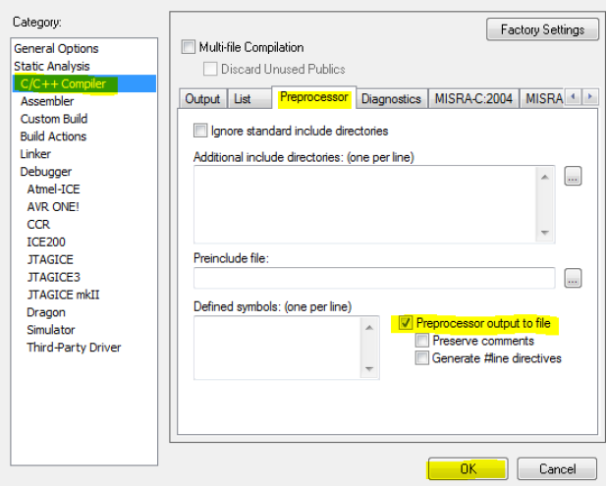
 |  |  |  |  |  |  |  |  |  | FALSE | Why should I learn assembly language = complete waste of time?
 |  |  |  |  |  |  |  |  |  |  | An interesting crash course on computer science:
 |  |  |  |  |  |  |  |  |  | FALSE | Crash Course Computer Science Preview - YouTube

 |  |  |  | From this exercise on you must upload your project files to github.com as instructed to your personal branch.
 |  |  |  | You do this after each exercise so that we can check the differences between exercices.
 |  | 153 | FALSE | Now you must delete the code from the previous exercise in IAR EW (because the exercises are not
 |  |  |  | linked together). For the code below, what value will have the VAR constant? (you can easily see this if you store the VAR
 |  |  |  | into a variable and look at main.i preprocessed file)
 |  |  |  |  | #if MAX == 1
 |  |  |  |  | #define VAR 4
 |  |  |  |  | #else
 |  |  |  |  | #define VAR 5
 |  |  |  |  | #endif
 |  | 154 | FALSE | What this code will do?
 |  |  |  |  | #define MAX 10
 |  |  |  |  | void main (void)
 |  |  |  |  | {
 |  |  |  |  | int x=2;
 |  |  |  |  | #define MAX 55
 |  |  |  |  | x=MAX;
 |  |  |  |  | }
 |  | 155 | FALSE | What this code will do? Verify it by checking the .i preprocessed file.
 |  |  |  |  | #define MAX 100
 |  |  |  |  | void main (void)
 |  |  |  |  | {
 |  |  |  |  | int MAX = 10;
 |  |  |  |  | }
 |  |  |  | You are still pushing your project to github after each exercise, right ?!
 |  | 156 | FALSE | How the following code will work? Verify it in your main.c file by comparing it with main.i (the
 |  |  |  | preprocessed file).
 |  |  |  |  | #define MAX(i, limit) do \
 |  |  |  |  | { \
 |  |  |  |  |  | if (i < limit) \
 |  |  |  |  |  | { \
 |  |  |  |  |  |  | i++; \
 |  |  |  |  |  | } \
 |  |  |  |  | } while(1)

 |  |  |  |  | void main(void)
 |  |  |  |  | {
 |  |  |  |  |  | MAX(0,3);
 |  |  |  |  | }
 |  |  |  | You do remember github.com right?! :))
 |  | 157 | FALSE | Implement macros for the following functions:
 |  |  |  | max (a, b) |  | average (a, b)
 |  | 158 | FALSE | Exemplify into your program code a situation for:
 |  |  |  |  | - static keyword usage (explain the use case in the comments)
 |  |  |  |  | - volatile keyword usage (explain the use case in the comments)
 |  | 159 | FALSE | Define a structure "student" with the following elements: an array and two unsigned char data. Keep your
 |  |  |  | name within the array; the first unsigned char keeps your age, the second unsigned char keeps your
 |  |  |  | height. Initialize the structure defined.

 | Objective 6: Refresh your microcontrollers know-how
 | 🥇 | 0%

 |  | 161 | FALSE | Usually a microcontroller (MCU) comes with a datasheet explaining how it works and different other specifications which |  |  |  |  |  |  | FOR YOUR INFO |  |  | 🔊
 |  |  |  | engineers are looking for understanding them. Go to ATmega324PB datasheet and familiarize yourself with the block diagram |  |  |  |  |  |  | Explore how microcontrollers work here:
 |  |  |  | showing the internal components as blocks, with external pinout and finally with the CPU core. Try to identify what is |  |  |  |  |  | FALSE | How a CPU Works - YouTube
 |  |  |  | interesting for you or makes you curious about. |  |  |  |  |  |  | How computers do math
 |  |  |  | How to Read a Microcontroller Datasheet: Introduction and First Steps - Technical Articles (allaboutcircuits.com) |  |  |  |  |  | FALSE | How COMPUTERS do MATH - YouTube
 |  |  |  | How to Read a Datasheet | Education | Analog Devices
 |  | 162 | FALSE | Check the endian architecture of ATMega324PB microcontroller (is it little endian or big endian?):
 |  |  |  | Re-write the first program code (the one with the sum) and assign to variable b the value 257, then compile again,
 |  |  |  | download and run your program and you should see the sum to be 258 or 0x0102 in hexadecimal. Now open a Watch |  |  |  |  |  |  | More on endianness and why are they important, here:
 |  |  |  | window and a Memory window and compare the content from variable’s c address. Is it the same? |  |  |  |  |  | FALSE | Dealing with Endianness Issues in your Programs - YouTube
 |  |  |  |  |  |  |  |  |  | FALSE | Free Code Camp on endianness
 |  |  |  |  | ( <<< describe what you see ) |  |  |  |  | FALSE | Embedded Zone tutorial
 |  |  |  | Little endian = MSB is stored in memory to the highest address and LSB to the lowest address.
 |  |  |  | Big endian = MSB is stored to the lowest addres and LSB to the highest address.
 |  |  |  | Simply explained is as follows:

 |  | 163 | FALSE | Open the header file iom324pb.h and visualize its content at this comment section:
 |  |  |  |  | /* ======================== */ |  |  |  |  |  | FOR YOUR INFO |  |  | 🔊
 |  |  |  |  | /* Predefined SFR Addresses */ |  |  |  |  |  | Every time you are in an unknown territory you need a map. For embedded systems, when
 |  |  |  |  | /* ======================== */ |  |  |  |  |  | programming the microcontroller you need its registers map in order to correctly interface your software
 |  |  |  | You will find in the code comments two examples of a macro named SFR_B( ). The role of this macro |  |  |  |  |  |  | program with the hardware peripherals.
 |  |  |  | is to make the connection between the physical address of the SFR register (Special Function Register) |  |  |  |  |  |  | The following file is that kind of map. It is called iom324pb.h and it is essential (sine qua non) because it
 |  |  |  | and a software variable in C program. With other words, its role is to interface software with hardware. |  |  |  |  |  |  | contains the registers map for microcontroller ATMega324PB. Can be found on the installation path of the
 |  |  |  | Remember: this interface is the lowest level of interface in an embedded environment !!! Once the |  |  |  |  |  |  | cross-compiler and libraries at C:\Program Files (x 86) \IAR Systems\Embedded Workbench 8.0 \ avr\inc
 |  |  |  | interface is done by this macro using the @ character, you will be able to use the software variable to
 |  |  |  | manipulate/control the content of the physical register directly from your program. |  |  |  |  |  |  | FOR YOUR INFO |  |  | 🔊
 |  |  |  | Observe in the code comment how the macro will expand after the header file iom324PB.h is |  |  |  |  |  |  | You could also read from Compiler Guide page 222 about accessing SFR registers.
 |  |  |  | preprocessed. You will find the example of an imaginary register TCCR2 (this register does not exist |  |  |  |  |  |  | Accessing Compiler Guide is easy: go to HELP menu from IAR EW IDE and there you find it!
 |  |  |  | inside the microcontroller, therefore it is imaginary, it is there just as an example).

 |  |  |  | SFR_B_N(0x25, TCCR2, FOC2, WGM20, COM21, COM20, WGM21, CS22, CS21, CS20)

 |  |  |  | Finally, open the datasheet of the ATMega324PB microcontroller and find the register TCCR2B, a real
 |  |  |  | register!!! Compare the information found in the datasheet with the macro of the register TCCR2B. What
 |  |  |  | is your conclusion?
 |  |  |  |  | ( <<< write down your conclusion here )

 |  | 164 | FALSE | By analogy with the expansion example above, write in the main.c file as comments (!)
 |  |  |  | how you understood the following macro registers will be expanded:

 |  |  |  | SFR_B_N(0x08,PORTC,PORTC7,PORTC6,PORTC5,PORTC4,PORTC3,PORTC2,PORTC1,PORTC0)
 |  |  |  | SFR_B_N(0x07, DDRC, DDRC7, DDRC6, DDRC5, DDRC4, DDRC3, DDRC2, DDRC1, DDRC0)
 |  |  |  | SFR_B_N(0x06, PINC, PINC7, PINC6, PINC5, PINC4, PINC3, PINC2, PINC1, PINC0)

 |  |  |  | After you finish this task, upload the entire Project to github => Project repository. This will be your
 |  |  |  | first upload to github: Congrats! |  | 🥳
 |  |  |  | From now on you should make a commit to github after each exercise: remember the rule of inserting a comment
 |  |  |  | at the beginning of the file showing about what exercise is about.

 |  | 165 | FALSE | Include the header file iom324pb.h in your main.c file. Compile. Check with preprocessed files (main.i) how the
 |  |  |  | macros or #defines are expanded. Is this confirming your knowledge acquired so far? How the
 |  |  |  | comments are preprocessed?
 |  | 166 | FALSE | OPTIONAL | Compare contents of the file iom324PB.h vs. datasheet microcontroller vs. register view of IAR EW.
 |  |  |  |  | Here it is how you can do it:
 |  |  |  |  | (1) identify in the file iom324pb.h just 3 registers with their name and size;
 |  |  |  |  | (2) then open datasheet and recognize the registers you have chosen above;
 |  |  |  |  | (3) then open Registers View from IAR EW and recognize the registers identified above.
 |  |  |  |  | (4) use support file YOUR_NAME_Registers_Compare_324_328.xls
 |  |  |  |  | What is your conclusion? |  |  | ( <<< write down your conclusion here )
 |  | 167 | FALSE | OPTIONAL | Can you find the same 3 registers in the ATmega328PB (search the internet for ATmega328PB
 |  |  |  |  | datasheet and the iom328pb.h file in the same manner you found iom324pb.h)?
 |  |  |  |  | If YES, then this means you can write portable code, the same code works for both microcontrollers,
 |  |  |  |  | ATmega324PB and ATmega328PB.
 |  |  |  |  |  | ( <<< write down your conclusion here )
 |  |  |  |  | For this exercise you can also use the suport file YOUR_NAME_Registers_Compare_324_328.xls.
 |  | 168 | FALSE | OPTIONAL | You can extend your search for the same registers to see if they are compatible with ATmega328P
 |  |  |  |  | which is the exact microcontroller used by Arduino. |  |  |  |  |  | FOR YOUR INFO |  |  | 🔊
 |  |  |  |  |  | ( <<< write down your conclusion here ) |  |  |  |  | This is quite interesting, because ATmega328P is the same microcontroller used by Arduino.
 |  |  |  |  |  |  |  |  |  |  | So you could write code here which is compatible with Arduino.
 | Objective 7: Refresh your knowledge on basic electronics
 | 🥇 | 0%

 |  | 181 | FALSE | How to connect a LED in a circuit?
 |  |  |  | LED = Light Emitting Diode is a diode, which under direct polarization (voltage U applied from + to - as
 |  |  |  | shown in the diagram below) produces light. If you apply a reverse polarization (voltage U applied from |  |  |  |  |  |  | FOR YOUR INFO |  |  | 🔊
 |  |  |  | - to + like in the diagram below) the LED lights will not work, so it will not emit light. |  |  |  |  |  |  | Explore a great invention:
 |  |  |  | Physically, if you look at the LED capsule, you will notice a short leg and a long leg: the long leg is |  |  |  |  |  | FALSE | Transistors - The Invention That Changed The World - YouTube
 |  |  |  | called the anode (+), and the short leg is called the cathode (-). |  |  |  |  |  |  | A general presentation for what skills you need in embedded systems:
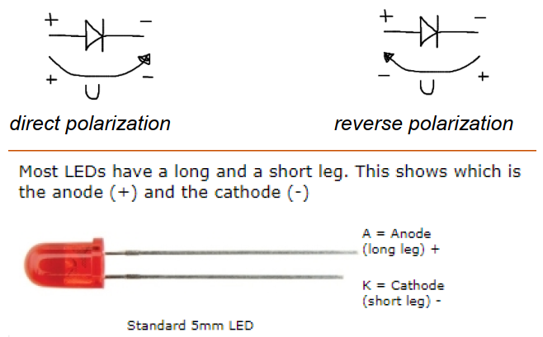
 |  |  |  |  |  |  |  |  |  | FALSE | How To Become An Embedded Software Engineer? - YouTube
 |  |  |  |  |  |  |  |  |  | FALSE | Embedded Systems Engineering VS Embedded Software Engineering - YouTube
 |  |  |  |  |  |  |  |  |  | FALSE | Should You Become An Embedded Systems Engineer? 5 Skills Required & Career Advantages - YouTube

 |  |  |  | A LED connected in direct polarization between + and - will try to consume the maximum energy for
 |  |  |  | which it was designed for. At the limit, this will result in burning the LED. To protect it against this
 |  |  |  | phenomenon it should be placed an adequate resistor in series. Its role is to limit the quantity of current
 |  |  |  | that circulate through the LED.
 |  |  |  | The Ohm law:
 |  |  |  | I = U / R (the current through a resistor is directly proportional
 |  |  |  | to the applied voltage and inversely proportional to its resistance)

 |  | 182 | FALSE | Watch the following:
 |  |  |  | What is a microcontroller and how microcontroller works - YouTube
 |  |  |  | DIODES! All Sorts of Them and How They Work (ElectroBOOM101-010) - YouTube
 |  |  |  | How does a Diode work? - YouTube
 |  |  |  | https://www.youtube.com/watch?v=7ukDKVHnac4
 |  |  |  | How Transistors Work - YouTube
 |  |  |  | Starter Guide to BJT Transistors (ElectroBOOM101 - 011) - YouTube
 |  |  |  | https://www.youtube.com/watch?v=0CvdruTMH1c
 |  |  |  | https://www.youtube.com/watch?v=IcrBqCFLHIY
 |  |  |  | Now, first, which video you liked the most? Which video explained the topic in such a way you are now able to
 |  |  |  | freely talk on the subject?
 |  |  |  | Second, are you able to create a single question for testing your colleague's knowledge on these topics?
 |  |  |  | The question you create will be used later to build up a quiz for the students group and must be of type
 |  |  |  | "multiple choices - single answer" or "true-false" (include the correct answer also).
 |  |  |  |  | ( <<< your question here )

END OF WEEK 1

W2-part1
MARQUARDT SUMMER INTERNSHIP 2024
GOAL FOR THIS WEEK 3: Interrupts and Analog-to-Digital conversions |  |  |  |  |  |  |  |  | 0% |  | 0% | of | 8 | additional materials
 | By the end of this week you should be able to handle the interrupts and an AD conversion.
 | Personal programming style/performance should be acknowledged and improved further (coding rules and naming conventions).
 | On short what you will do this week:
 |  | - get to control buttons by interrupts
 |  | - redesign you code respecting some basic naming conventions/rules
 |  | - build a main application: CONTROL PANEL
 |  | - control the ADC and light sensor

Objective 1: "Hello" interrupts!
🥇 | 0%

 | 311 | FALSE | With this objective we introduce the interrupts, THE big idea in embedded systems :)
 |  |  | A microcontroller can implement many sources/triggers of interrupts for its processor (CPU). One simple interrupt
 |  |  | can be the one triggered by the push of an external button. So you push the button and a signal is sent |  |  |  |  |  |  |  | FOR YOUR INFO |  |  |  | 🔊
 |  |  | through the registers way up until it reaches the CPU. That signal is the interrupt request. Keep in mind this short idea, |  |  |  |  |  |  | FALSE | External Interrupts - SPARK FUN on YouTube
 |  |  | button pressed > pin voltage level changed > interrupt request to CPU, when studying from the microcontroller's |  |  |  |  |  |  | FALSE | Learning AVR-C Episode 9: External Interrupts - YouTube
 |  |  | datasheet the interrupts for your personal understanding. Be aware you will encounter a lot of information noise, but you
 |  |  | have to filter it out... so keep focus on what you have to find to program the interrupts triggered by your button press.
 |  |  | Study: |  |  |  |  | 0%
 |  |  | - chapter 8.1 on how interrupts are implemented.............................................. |  |  |  |  | FALSE
 |  |  | - chapter 8.3.1 on the Global Interrupt Enable bit effect.................................... |  |  |  |  | FALSE
 |  |  | - chapter 8.5 on the link between Stack Pointer and interrupts.......................... |  |  |  |  | FALSE
 |  |  | - chapter 8.8 and down the page chapter 8.8.1 on the behavior of interrupts.... |  |  |  |  | FALSE
 |  |  | - chapter 14.1 on the Interrupt Vector Table (just the table!!!) ............................. |  |  |  |  | FALSE
 |  |  | - chapter 15 on the external interrupts mechanism and registers description... |  |  |  |  | FALSE
 |  |  | - chapter 6 table for pin identification................................................................... |  |  |  |  | FALSE

 | 312 | FALSE | Identify and double check within iom324pb.h that the interrupt vector table is implemented correctly.
 |  |  | Go to Compiler Guide (from IAR Embedded Workbench HELP) and read for: |  |  |  |  |  | 0%
 |  |  | - INTERRUPT FUNCTIONS (pag.64)........................................................................................................ |  |  |  |  |  | FALSE
 |  |  | - RESTRICTIONS FOR SPECIAL FUNCTION TYPES => Interrupt functions (pag.163)........................... |  |  |  |  |  | FALSE
 |  |  | - __interrupt keyword (pag. 307)................................................................................................................. |  |  |  |  |  | FALSE

 | 313 | FALSE | As your understanding over interrupts grows it is time to introduce the routine executed by the CPU when it will be
 |  |  | interrupted by the external request. So remember the sequence:

 |  |  | button pressed > pin voltage level changed > interrupt request to CPU > jump to vector > executes routine written by you

 |  |  | Our IAR compiler (like any other compiler) uses a special construct to mark the function written by you in C language
 |  |  | as being the routine executed by the CPU in case of interrupt request. Remember that saying it is a FUNCTION
 |  |  | is improper/wrong, the correct saying is INTERRUPT SERVICE ROUTINE, on short ISR. It is a routine and not
 |  |  | a function for some simple reasons: it does not have input parameters, does not return anything and it is not called (!!!)
 |  |  | like a normal function is called within the program. The amount of code you write inside ISR should be kept small.
 |  |  | Below is an example of what you should write (between #pragma and the ISR name you MUST NOT
 |  |  | introduce any other line of code !!! as the compiler after the #pragma is strictly expecting to encounter the routine name!)

 |  |  | #pragma vector=INT2_vect
 |  |  | __interrupt void my_routine(void)
 |  |  |  | /* the amazing routine for serving the interrupt caused by my button press */
 |  |  | {
 |  |  |  | /* some code here… e.g. you can turn ON the LED0 here */
 |  |  | }

 | 314 | FALSE | Establish what kind of settings you should do for the registers supporting external interrupts, knowing the
 |  |  | connection between SW0 and microcontroller's pin. Adapt also the interrupt vector name (above it was just an example).
 | 315 | FALSE | One small step before running the program is to put a breakpoint somewhere in the code of your ISR. Run
 |  |  | the program, press the SW0 button and your CPU should hit the breakpoint. Congrats! |  |  |  |  |  | 👏👏👏
 | 316 | FALSE | Revisit the exercise with SOS message behavior and refactor it now with the help of external interrupts.

Objective 2: Coding rules
🥇 | 0%

 | 321 | FALSE | You need to avoid using magic numbers in the code. They are numbers which at the moment you write the code they
 |  |  | make perfect sense for you and only for you, but the drawback is that it will be non-sense for the colleague that will
 |  |  | make a code-review over your code (which frequently happens in real life projects). Even for yourself, they will become
 |  |  | non-sense after 3 months of not working with that code, you will ask "what was I thinking here?!"
 |  |  | So re-code your program and cover all these magic numbers with "#defines" as in the example:
 |  |  | e.g. change... | set_direction(2,7,1); ...to... |  |  | #define PORT_B 2
 |  |  |  |  |  |  | #define PIN_NUMBER_7 7
 |  |  |  |  |  |  | #define OUTPUT 1
 |  |  |  |  |  |  | /******************some code here*****************************/
 |  |  |  |  |  |  | set_direction(PORT_B, PIN_NUMBER_7, OUTPUT);
 |  |  |  |  |  |  | /******************************************************************/

 | 322 | FALSE | Watch this movie clip on magic numbers

 | 323 | FALSE | Re-design your code wrote so far using the following naming convention:
 |  |  | Name your functions and variables with a prefix which represents the name of the module it belongs to.
 |  |  |  | e.g. if "led" is my module's name, then:
 |  |  |  |  |  | => led_set_state( ON ) will be the name of the function setting the state ON for that LED
 |  |  |  |  |  | => unsigned char led_state; will be your variable declaration

 | 324 | FALSE | Watch this movie clip on naming

Objective 3: Building a Control Panel - Internship's main application
🥇 | 0%

 | 331 | FALSE | Construct your software program so that it can handle the 3 buttons from OLED1 extension board.
 |  |  | The general behavior should be the following: when pressing button X then LED X is on, where X = 1,2,3, and when releasing
 |  |  | button X then LED X is off. You have the freedom to choose what kind of implementation approach
 |  |  | you prefer: polling the button state or trigger interrupts.
 | 332 | FALSE | Modify your program so that when pressing button X on OLED1 a second time (X=1,2,3), only then LED X is off.
 | 333 | FALSE | Add to the previous program the following behavior: when button SW0 is pressed then all LED X are
 |  |  | off (no matter their current state on/off) and LED0 is on.
 | 334 | FALSE | Your customer, BMW, has requested to implement a prototype for a central control panel in the car.
 |  |  | REQUIREMENTS:
 |  |  | The HVAC vents are positioned to blow the AC in 3 directions: left, central and right.
 |  |  | Each vent has its corresponding control button and LED for visual confirmation to the driver about the enabled function
 |  |  | of that particular vent. They are the buttons and LEDs on OLED1 board. Each button push will toggle the function
 |  |  | of the corresponding vent and will toggle accordingly also the corresponding LED. No crosstalks are allowed.
 |  |  | For comfort security BMW has requested that an additional button, SW0, called master control, when it is pushed to block
 |  |  | the function of the entire control panel. The BLOCKED state of the control panel will be implemented as follows:
 |  |  |  | - LED0 on ATmega324PB main board is activated
 |  |  |  | - pushing on OLED1 buttons will have no effect on vent and LED indicators from OLED1 (they stay OFF)
 |  |  |  | - pushing on any OLED1 button will fast blink the LED0 indicating that the panel is blocked

 |  |  | To unblock the panel it is needed to push the SW0 master control again (and the normal functionality is re-established).

Objective 4: Light sensor
🥇 | 0%

 | 341 | FALSE | Our next big move will be to integrate the light sensor within our project and writing code for handling the analog to digital conversion. |  |  |  |  |  |  |  | FOR YOUR INFO |  |  |  | 🔊
 |  |  | On short we want to do: connect light sensor to pin, receiving analog signal based on ambient light, convert this signal to a digital value, light up LED. |  |  |  |  |  |  | FALSE | Movie time! :) for understanding what a signal is.
 |  |  | A preview of how the setup will look like is here: |  |  |  | TEMT6000 Ambient Light Sensor with Arduino - YouTube |  |  | FALSE | About the frequency and the period of a signal.
 |  |  |  |  |  |  |  |  |  | FALSE | First movie about (1) ANALOG and DIGITAL signals.
 | 342 | FALSE | Connect the I/O board with light sensor to EXT4. |  |  |  |  |  |  | FALSE | Second movie about (2) ANALOG and DIGITAL signals.
 |  |  | Read from the User Guide about sensor type, its datasheet and most important: connection to microcontroller's pins. |  |  |  |  |  |  | FALSE | Transforming ANALOG to DIGITAL.
 |  |  | Observe in the electronic schematic also the connections to GND and VCC (without them the sensor would not work, right?).
 |  |  |  | (<<< microcontroller's pin identified)

 |  |  | So, this phototransistor will transform the ambient light (photons hitting the base of this NPN) into electrical current flowing through collector.
 |  |  | And because a 100K resistor is placed in collector we can measure the voltage drop that occurs compared to 3.3V (which is the VCC).
 |  |  | This voltage* will act as input analog signal for the microcontroller's pin connected.

 |  |  | Note*: ADC peripheral is capable of measuring voltages and not currents! so the resistor acts together
 |  |  | with the phototransistor as a voltage divider in the circuit.

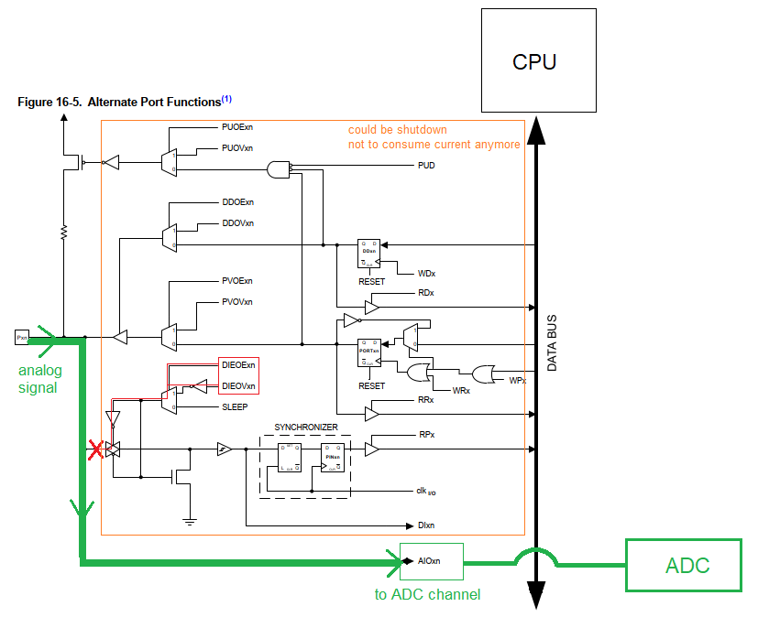
 | 343 | FALSE | Double check the connected pin for its second functionality (other than just being a pin for GPIO) at microcontroller's datasheet, table 16-3
 |  |  | from chapter 16.3.1
 |  |  |  | (<<< second functionality of the microcontroller's pin identified)

 |  |  | Therefore, somehow* the pin can act both as a GPIO and as an ADC reader. This aspect is called alternate functions.
 |  |  | Who decides to switch between the alternatives? You as embedded developer, depending on what you have connected
 |  |  | to the pin (LEDs or analog sensors).
 |  |  | In our case we connected the ambient light sensor which gives us the analog signal, therefore you need to use the analog function of the pin.
 |  |  | How this decision is made? By enabling the ADC peripheral (writing the correct bits in its registers) the GPIO functionality is disabled.

 |  |  | Note for the most curious minds*: this "somehow" can be explained by the logic gates in the diagram 16-5. Alternate Port Functions where
 |  |  | at the bottom you have DIEOExn and DIEOVxn signals that are internal signals coming from ADC registers. These signals are triggered
 |  |  | when you enable the ADC functionality by setting its registers. So, these signals will block the digital input capture path and the signal
 |  |  | coming from outside (from light sensor) will be redirected towards the AIOxn (analog converter input). Better explanation at chapter 16.3.

Objective 5: Mastering the ADC
🥇 | 0%

 | 351 | FALSE | Now you have a minimum experience with microcontroller's datasheet reading. |  |  |  |  |  |  |  | FOR YOUR INFO |  |  |  | 🔊
 |  |  | Next big task is to understand how ADC is working and how to make the correct register settings. |  |  |  |  |  |  | FALSE | Atmel AVR127: Understanding ADC Parameters (microchip.com)
 |  |  | Every time you need to work with a peripheral module remember: |  |  |  |  | 0%
 |  |  | FALSE | -1- you will encounter a lot of information noise, so prepare your mind to filter
 |  |  | FALSE | -2- you will not understand all the information at once, therefore be patient reading 2x, 3x times
 |  |  | FALSE | -3- start with the block diagram; it shows in a simplified manner the overall dynamics of that peripheral; follow
 |  |  |  | the signals from outside of the capsule via pins to the inside (and/or viceversa) and further to databus along sketched lines;
 |  |  |  | look also for what clock source has and if interrupt request lines are present there to send interrupt signals to CPU
 |  |  | FALSE | -4- read the overview (with observation 1&2&3 in mind :)
 |  |  | FALSE | -5- check how many registers that peripheral has (to limit your anxiety over the problem)
 |  |  | FALSE | -6- hover the registers description once scanning with your eyes about how can you implement the objective you have in mind (e.g.
 |  |  |  | for ADC you will want to obtain a digital converted value and use it further, for TIMERS you will want to obtain periodic interrupts, etc.)
 |  |  | FALSE | -7- read the registers description second time looking for how to enable the peripheral, how are you making use of
 |  |  |  | its functionality and its final result*, how you will work with interrupt requests (if you decide to work with interrupts)
 |  |  | FALSE | -8- read the registers description third time looking to take THE EASIEST decisions over the settings of each bit** (!!!) even if
 |  |  |  | that means not to modify their default (after reset) value at all (this is a valid decision also, right? :); this is the point
 |  |  |  | where you should go also to chapters describing the functionalities (e.g. start a convertion, etc.) to get more clarifications.

 |  |  | *Note: these 8 rules to read a peripheral datasheet information are general, and applicable for any peripheral you might study; in ADC case
 |  |  | the final result of the ADC peripheral is a digital data stored in ADCL-ADCH register (similar to how PINx was storing the 0 or 1
 |  |  | corresponding to the button state); so your program needs to read that register in a variable to further use it in the program.

 | 352 | FALSE | After reading the ADC datasheet information (registers & functionalities) you should have these questions.
 |  |  | Note**: Here you can find some good start decisions:

 |  |  | Register | Questions |  |  |  | Good start decisions
 |  |  | ADMUX | What voltage reference should I use? |  |  |  | AVCC = 3.3V, VREF has to be >= sensor analog signal
 |  |  |  |  |  |  |  | to avoid ADC saturation on high input levels
 |  |  |  | Should I choose result left aligned or right aligned? |  |  |  | The easiest way: just read ADCH => 8 bit left align
 |  |  |  | What ADC channel should I use? |  |  |  | The corresponding pin with light sensor connected
 |  |  |  | Is my channel single ended input or +/- differential ? |  |  |  | Single ended as you have one pin connected to sensor
 |  |  | ADCSRA | Should I enable the ADC? |  |  |  | Yes, resulting in digital input path disabled
 |  |  |  | When should I start a convertion ? |  |  |  | Not right away! the starting of conversion is the last
 |  |  |  |  |  |  |  | thing you do, after setting all the registers properly
 |  |  |  | Should I use auto trigger? |  |  |  | Keep It Simple! don't use internal trigger signals
 |  |  |  |  |  |  |  | for the moment, rely only on your call to start convertion
 |  |  |  |  |  |  |  | ADC will work in Single Convertion Mode.
 |  |  |  | What should I do with ADC Interrupt Flag? |  |  |  | Nothing. It is a flag signaling there is an interrupt.
 |  |  |  |  |  |  |  | Your CPU has already received the interrupt request by
 |  |  |  |  |  |  |  | this time and is ready to execute the ISR.
 |  |  |  | Should I use interrupts? |  |  |  | Yes. It's an easy way to get the result when it's ready
 |  |  |  | Should I prescale the clock input to ADC? |  |  |  | Keep it Simple! no
 |  |  | ADCL & ADCH | How should I read the ADCH ? |  |  |  | Within ISR just capture it in a variable var = ADCH;
 |  |  |  |  |  |  |  | Remember ADCH is 8bit left align (decided above)
 |  |  | ADCSRB | Should I use analog comparator? |  |  |  | Keep it Simple! no
 |  |  |  | What auto trigger source should I select? |  |  |  | None. Remember you decided above: no auto-trigger.
 |  |  |  |  |  |  |  | ADC will work in Single Conversion Mode.
 |  |  | DIDR0 | Should I disable the digital input buffer? |  |  |  | Keep it Simple! no (we don't care for now about
 |  |  |  |  |  |  |  | power consumption)

 | 353 | FALSE | Introduce the interrupt service routine for ADC. Inside you need to read the ADCH to get the result of conversion.
 |  |  | What kind of data type you will use for this? |  |  |  |  | (<<< your decision)
 |  |  | Put a breakpoint to ISR and your program should hit it! Wonderful! |  |  |  |  | 👏👏👏
 | 354 | FALSE | You can play with darker ambient (cover the sensor with a book, NOT with your finger!!!) or brighter ambient (you can use your phone flashlight)
 |  |  | to observe different ADC results. Change the VREF settings to 1.1V and check if ADC is saturated (meaning that
 |  |  | results will be topped with 0xFF for the same light intensity*).

 |  |  | Note*: to have aprox. the same light intensity place your phone on a stack of books nearby main board, flashlight over the light sensor and keep
 |  |  | this setup as long as you are doing the measurements for both VREF settings).

 | 355 | FALSE | More design rules! Re-design your code (all modules so far!) along the additional rules:
 |  |  | -1 | - each module must have an initialization function (e.g. led_init( ), adc_init( ), gpio_init( ), etc....) which will define the initial state for
 |  |  |  | that particular module (it can be peripheral dependent, e.g. module ADC is initialized with all the default decisions you took or
 |  |  |  | it can be peripheral independent, e.g. module LED is initialized with all LEDs by default turned off)
 |  |  | -2 | - determine the atomic actions a software driver can do to "drive" the hardware and build dedicated functions for them (e.g. at GPIO
 |  |  |  | module, which is a driver, you determined set, reset, get being the atomic actions and you build functions accordingly; at ADC module
 |  |  |  | which is a driver you can determine the start of conversion and get the result as the atomic actions, building dedicated functions)

Objective 6: Ambient Light Application
🥇 | 0%

 | 361 | FALSE | Establish the middle point of the readings range and turn on LED0 if readings are above that point.
 | 362 | FALSE | Take 4 readings intervals (1 corresponding to complete dark, 2 semi-dark, 3 semi-light, 4 full light) and turn on LED1,2,3 as follows:
 |  |  |  | ADC readings interval | Light intensity correspondence | LEDs state
 |  |  |  | 1 | full dark | all off
 |  |  |  | 2 | semi-dark | LED1 on
 |  |  |  | 3 | semi-light | LED1,2 on
 |  |  |  | 4 | full light | LED1,2,3 on

 | 363 | FALSE | Now it's time to be intereseted of another key performance indicator in embedded systems: power consumption.
 |  |  | On the main board, near the SW0 button, there is a current measurement header.
 |  |  | How you can measure the current in a circuit ? |  |  |  |  | (<<< your answer here)
 |  |  | Since we do not have in our Internship online setup the possibility to measure the current consumption we will rely on datasheet information.
 |  |  |  | - disable the digital input buffer (if it is powered then it consumes current) for the analog pin (the pin with connected sensor to it)
 |  |  |  | - enable the ADC peripheral only when you are wishing to make a conversion, otherwise shut it down (disable)
 | 364 | FALSE | OPTIONAL | Implement the 10bit convertion resolution and check if you observe any sensitivity to ADC.
 |  |  |  | Some of the questions you might have: What changes should I do to register settings to implement 10bit resolution?
 |  |  |  | How can I get the result now? Does data type change? Would be easier to have the result right aligned or left aligned?
 |  |  |  | Should I change the prescaler as chapter 27.4 is telling me?
 | 365 | FALSE | OPTIONAL | Imagine that your software driver module will be used by your colleagues into their projects. At the time you write the code
 |  |  |  | you do not know what resolution they will need, 8bit or 10bit. It will depend on their particular application.
 |  |  |  | Therefore your job is to implement a solution offering them the possiblity to choose between 8bit or 10bit resolution.
 |  |  |  | Make use of conditional compilation.
 | 366 | FALSE | OPTIONAL | Measure the code size for the newly added ADC driver module so that your colleagues are informed. Include a table with
 |  |  |  | the functions available and the two options on resolution ( 8bit, 10bit ). |  |  |  |  | (you can make that table here, on the right >>>)......................
 | 367 | FALSE | OPTIONAL | Prescale the ADC clock down to [ 50KHz - 200KHz ]. Slower the clock better the accuracy of conversion. Do you observe
 |  |  |  | any difference to ADC results?

W2-part2
MARQUARDT SUMMER INTERNSHIP 2023
GOAL FOR THIS WEEK 4: Tack your app with TIMERS |  |  |  |  |  |  |  |  | 0% | 0% | of additional materials [ 4 ]
 | By the end of this week you should be able to control the TC0 peripheral to measure time.
 | On short what you will do this week:
 |  | - get to setup and control TC0
 |  | - measure timings and output pin signals accordingly

Objective |  | 1 | Getting to know TC0 timer
🥇 | 0%

 | 411 | FALSE | Go at the top menu bar: Atmel-ICE -> Fuse Handler -> Low Fuse -> check the box: Divide clock by 8 internally, check the box: Clock output on PORTB1
 |  |  | Select from the drop-down list the Internal RC oscillator 8MHz as shown (the New Value for Low Fuse si 0x22) -> Program Fuses -> Close.
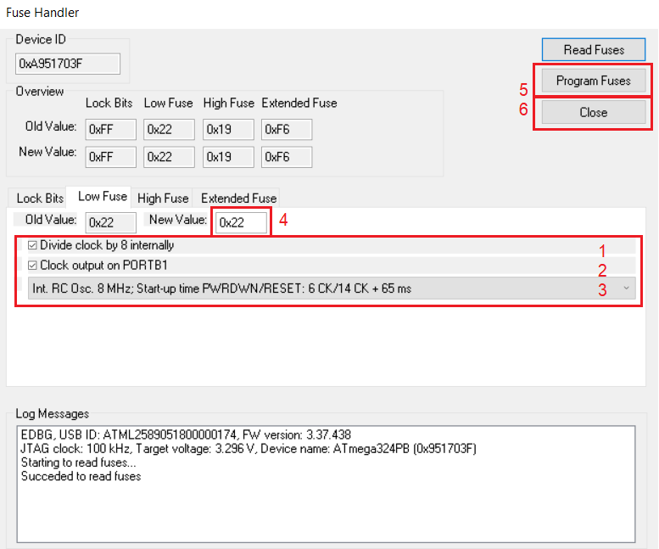

 |  |  | What you have set here is the source for system clock signal. The heartbeat of the system. Internal RC oscillator @ 8MHz frequency, but divided by 8, so
 |  |  | resulting in 1MHz system clock frequency which will be distributed to all peripherals including CPU (as shown below).
 |  |  | Lowering the system clock frequency is a great way to reduce power consumption in embedded systems.
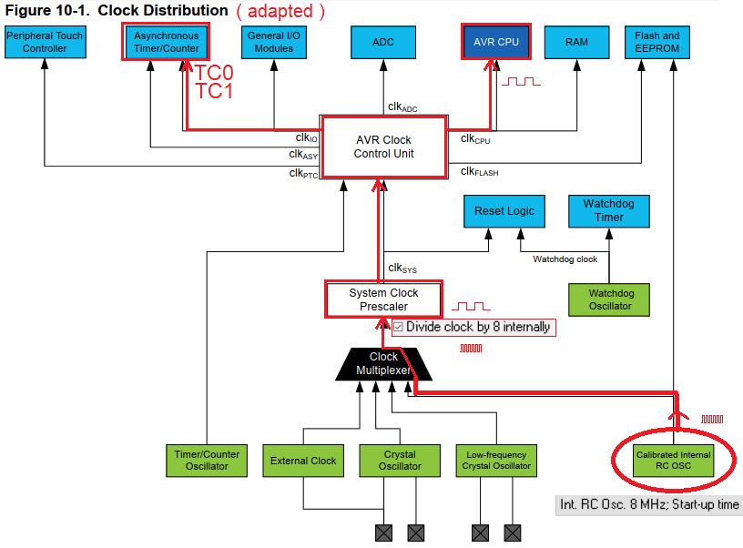

 |  |  | TC0 is an 8bit timer/counter which also receives clock signal from this source (as shown). This TC0 we will study further.

 | 412 | FALSE | TC0 is on chapter 17 in datasheet. REMEMBER:
 |  |  | Every time you need to work with a peripheral module: |  |  |  | 0%
 |  |  | FALSE | -1- you will encounter a lot of information noise, so prepare your mind to filter
 |  |  | FALSE | -2- you will not understand all the information at once, therefore be patient reading 2x, 3x times
 |  |  | FALSE | -3- start with the block diagram; it shows in a simplified manner the overall dynamics of that peripheral; follow
 |  |  |  | the signals from outside of the capsule via pins to the inside (and/or viceversa) and further to databus along sketched lines;
 |  |  |  | look also for what clock source has and if interrupt request lines are present there to send interrupt signals to CPU
 |  |  | FALSE | -4- read the overview (with observation 1&2&3 in mind :)
 |  |  | FALSE | -5- check how many registers that peripheral has (to limit your anxiety over the problem)
 |  |  | FALSE | -6- hover the registers description once scanning with your eyes about how can you implement the objective you have in mind (e.g.
 |  |  |  | for ADC you will want to obtain a digital converted value and use it further, for TIMERS you will want to obtain periodic interrupts, etc.)
 |  |  | FALSE | -7- read the registers description second time looking for how to enable the peripheral, how are you making use of
 |  |  |  | its functionality and its final result*, how you will work with interrupt requests (if you decide to work with interrupts)
 |  |  | FALSE | -8- read the registers description third time looking to take THE EASIEST decisions over the settings of each bit** (!!!) even if
 |  |  |  | that means not to modify their default (after reset) value at all (this is a valid decision also, right? :); this is the point
 |  |  |  | where you should go also to chapters describing the functionalities (e.g. normal mode, etc.) to get more clarifications.
 |  |  |  |  |  |  |  |  |  |  | FOR YOUR INFO | 🔊
 |  |  | Note*: in TC0 case the final result will depend on the Operating Mode you choose (in Normal mode final result is interrupt request to CPU at overflow, |  |  |  |  |  |  | FALSE | Introduction to AVR Timers » maxEmbedded
 |  |  | in CTC mode the final result will be an interrupt request to CPU when matching occurs, in PWM mode the final result |  |  |  |  |  |  | FALSE | AVR Timer programming - Tutorials (exploreembedded.com)
 |  |  | will be a digital signal output to physical microcontroller's pin). The following exercises will guide you through. |  |  |  |  |  |  | FALSE | AVR130: Setup and Use of AVR Timers (microchip.com)

Objective |  | 2 | Start simple: NORMAL MODE of operation for TC0
🥇 | 0%

 | 421 | FALSE | Your big task now is to make TC0 work in NORMAL MODE (from 0x00 to 0xFF) obtaining an interrupt at overflow.

 |  |  | After reading the TC0 datasheet information (registers & functionalities) you should have these questions.
 |  |  | Note**: Here you can find some good start decisions:

 |  |  | Register | Questions |  |  | Good start decisions
 |  |  | TCCR0A | Should I use Compare Mode for channel A or B? |  |  | None. Remember we are in NORMAL MODE
 |  |  |  |  |  |  | not in any of the Compare Modes.
 |  |  |  | What values WGM0[1:0] bits should have? |  |  | These 2 bits + WGM02 single bit in TCCR0B
 |  |  |  |  |  |  | will determine the NORMAL MODE of operation
 |  |  | TCCR0B | Should I force an output signal to pin OC0A ? |  |  | No. NORMAL MODE cannot output signals on pin.
 |  |  |  | What prescaler should I use? |  |  | Start with NO PRESCALING (1MHz from system clock)
 |  |  |  |  |  |  | Feeding in a prescaler will start the timer. Therefore
 |  |  |  |  |  |  | this is the last thing you do after all settings are done.
 |  |  |  |  |  |  | You can make your own Excel calculator to determine
 |  |  |  |  |  |  | the time measured based on system clock frequency,
 |  |  |  |  |  |  | prescaler and timer resolution (8bits)
 |  |  | TIMSK0 | What interrupt should I enable? |  |  | Overflow Interrupt Enable (overflow is the only trigger
 |  |  |  |  |  |  | point for interrupts in NORMAL MODE)
 |  |  | GTCCR | Should I use synchro mode and prescalers there? |  |  | No. Remember we are using NORMAL MODE.
 |  |  | TCNT0 | Should I write/read any counter value? |  |  | No. In NORMAL MODE we are using the interrupt
 |  |  |  |  |  |  | request raised at overflow, not counter value.
 |  |  | OCR0A | Should I use output compare A ? |  |  | No. We are in NORMAL MODE, not any compare mode.
 |  |  | OCR0B | Should I use output compare B ? |  |  | No. We are in NORMAL MODE, not any compare mode.
 |  |  | TIFR0 | Should I process these Interrupt Flags? |  |  | No. We are relying on interrupt request served by
 |  |  |  |  |  |  | the CPU and NOT relying on polling the Interrupt Flag
 |  |  |  |  |  |  | to check when overflow occurs.

 | 422 | FALSE | Introduce the corresponding interrupt service routine, breakpoint and hit!!! |  |  |  |  | 👏👏👏

 | 423 | FALSE | Do the math calculations for minimum and maximum of real time you can natively measure with NORMAL MODE until overflow, all prescalers considered.
 |  |  | It is a combination of:
 |  |  |  | - HOW FAST timer can count: system clock frequency (1MHz) with prescaler (1, 8, ..., 1024) results in the counting frequency
 |  |  |  | - HOW MUCH timer can count: TC0 maximum value for overflow (0xFF)

 |  |  | MIN => |  | MAX =>

 |  |  | How can you extend the maximum real time measured in NORMAL MODE ?
 |  |  |  | (<<< your answer here)

 | 424 | FALSE | OPTIONAL | What can you say about the jitter (deviation in time) introduced when extending the maximum real time measured in NORMAL MODE?
 |  |  |  | (<<< your answer here)

 | 425 | FALSE | Time your LED0 on and off at 1 second interval (exercise 216 revisited! but this time without software delays!) managed
 |  |  | by TC0 Timer working in NORMAL MODE of operation with the help of interrupt service routine.

 | 426 | FALSE | What min, max frequency would have the signal on LED0 toggled from within ISR in case of min, max prescalers?
 |  |  | FREQ MIN => |  | FREQ MAX =>
 | 427 | FALSE | Use button SW0 to cycle through the possible frequencies (5 prescalers = 5 different frequencies).
 |  |  | Use LED0 for your demonstration.
 | 428 | FALSE | Build a 5 seconds countdown timer using the 5 LEDs you have on all the boards: the countdown shall start when SW0 is pressed. The initial system state
 |  |  | is that all LEDs are on, then for each substracted second one LED goes off.
 | 429 | FALSE | Re-design your BMW Control Panel Application with the introduction of timer feature.
 |  |  | You can e.g. introduce a timer managed delay or a reading of the button from ISR.

Objective |  | 3 | CTC MODE of operation for TC0
🥇 | 0%

 | 431 | FALSE | On short:
 |  |  | CTC MODE is an enhancement of NORMAL MODE which gives you the possibility to have an interrupt request before overflow happens.
 |  |  | The interrupt request is generated when TCNT0 register value matches OCR0A register value.
 |  |  | Additionally, the pin labeled OC0A can be used to toggle its level when matching occurs. |  |  |  |  |  |  |  | FOR YOUR INFO | 🔊
 |  |  |  |  |  |  |  |  |  | FALSE | Learning AVR-C Episode 6: Timers - YouTube
 |  |  | Re-make the process described at NORMAL MODE for setting the registers for TC0 to work on CTC MODE obtaining an interrupt at OCR0A = 127.

 | 432 | FALSE | What pin is OC0A? |  |  | (<<< your answer here)
 |  |  | Which LED is connected to it? |  |  |  | (<<< your answer here)
 |  |  | Using the Waveform Generator toggle the OC0A pin on match with OCR0A=127. Within the same program, but from inside ISR code, toggle another
 |  |  | pin which has LED connected.
 |  |  | What do you observe with respect to the two LEDs blinking behavior? |  |  |  |  | (<<< your answer here)
 |  |  | If they are out-of-synch, make them to be turned on/off synchronously (both on, both off).

 |  |  | How much real time (use ms/miliseconds) can be measured with OCR0A = 127 ? |  |  |  |  |  | (<<< your answer here)
 |  |  | What other real timings you can measure having the same OCR0A = 127 ? |  |  |  |  |  | (<<< your answer here)

 | 433 | FALSE | Build code to output a waveform (you are free to choose on which pin) with a period of 100ms.
 |  |  | Is this observable with the human eye? |  |  |  | (<<< your observation here)

 | 434 | FALSE | Do the math calculations for minimum and maximum of real time you can natively measure with CTC MODE, all prescalers considered.
 |  |  | It is a combination of:
 |  |  |  | - HOW FAST timer can count: system clock frequency (1MHz) with prescaler (1, 8, ..., 1024) results in the counting frequency
 |  |  |  | - HOW MUCH timer can count: TC0 minimum (0x00) and maximum value for overflow (0xFF)

 |  |  | MIN => |  | MAX =>

 |  |  | How can you extend the maximum real time measured in CTC MODE ?
 |  |  |  | (<<< your answer here)

 | 435 | FALSE | Considering that at min, max above (exercise 434) you toggle an LED, what min, max frequency will that signal have?
 |  |  | FREQ MIN => |  | FREQ MAX =>

 | 436 | FALSE | Take the basetime of 100ms you developed on the previous exercise. Without changing the prescaler and OCR0A settings, develop a
 |  |  | 400ms periodic signal, with 50% of the period on HIGH (1 logic) and 50% of the period on LOW (0 logic). Apply it to an LED.

 | 437 | FALSE | Take the basetime of 100ms you developed on the previous exercise. Without changing the prescaler and OCR0A settings, develop a
 |  |  | 1000ms periodic signal, with 70% of the period on HIGH (1 logic) and 30% of the period on LOW (0 logic). Apply it to an LED.

 | 438 | FALSE | Take the basetime of 100ms you developed on the previous exercise. Without changing the prescaler and OCR0A settings, develop a
 |  |  | 1200ms periodic signal, with the first 200ms on HIGH (1 logic), then 300ms on LOW (0 logic), then 500ms on HIGH again, and finally 200ms
 |  |  | on LOW again. Apply it to an LED.

 | 439 | FALSE | OPTIONAL | Foreach signal above (exercise 436, 437, 438) change the code implementation by updating the value TOP from the ISR code.
 |  |  |  | Which type of implementation is better ?

Objective |  | 4 | Integration challenge
🥇 | 0%

 | 441 | FALSE | You are a member of the software development team for application Car Crash Management. The
 |  |  | requirement (1) for today is to integrate in your program the module called CarCrashDetection ( You
 |  |  | can find it in the folder Reference Documents). This module was developed by our colleagues in Pune, India
 |  |  | (click), where Marquardt has a subsidiary. The module offers an interface unsigned char
 |  |  | GetCarCrashDetectionStatus(void) which returns 1 in case of detection of a frontal impact with
 |  |  | another car and returns 0 in all other cases. The requirement (2) for today is that after the correct
 |  |  | integration of module CarCrashDetection, you should command the explosion of the airbag caps for
 |  |  | the driver and the passenger. The time window to do this is [ 650µs – 800 µs ]. So, no later than
 |  |  | 800 µs, but also no earlier than 650 µs!!! Measurements are started from the moment when your
 |  |  | program is notified that has been detected a frontal accident with another car. (For our safety, the airbag
 |  |  | caps explosion will be simulated by lighting up an LED :))

 |  |  | Note*: the measuremetns should be done with a Logic Analyzer you have. In 101 meetings we will look over the signals.

Objective |  | 5 | Advancing TC1
🥇 | 0%

 | 451 | FALSE | Level Up Your Arduino Code: Timer Interrupts - YouTube
 | 452 | FALSE | OPTIONAL | On timer TC1, 16 bits counter, implement and document the minimum and the maximum real time
 |  |  |  | you can obtain using this timer. The same for minimum and maximum signal frequencies when applied to a toggling LED.
 |  |  |  | What is the advantage of using a timer on 16 bits instead of a timer on 8 bits?
 | 453 | FALSE | OPTIONAL | Turn on LEDs on the OLED1 with the help of TC1 as follows:
 |  |  |  | Press duration of SW0 button |  | LED on
 |  |  |  | < 1 second |  | LED1
 |  |  |  | 1 second < 5 seconds |  | LED2
 |  |  |  | > 5 seconds |  | LED3
 | 454 | FALSE | OPTIONAL | With the Unit of Input Capture count how many times the external button is pushed. On the 4th push
 |  |  |  | light up LED1, on the 5th push light up LED2, on the 6th push light up LED3.

END OF WEEK 4

W3-part1
MARQUARDT SUMMER INTERNSHIP 2023
GOAL FOR THIS WEEK 5: Build a task scheduler |  |  |  |  |  | 0% | 0% | of additional materials [ 0 ]
 | By the end of this week you should be able to understand and implement processor time scheduling.
 | On short what you will do this week:
 |  | - use TC0 to build a scheduling algorithm
 |  | - design your application with task/function scheduling perspective

Objective |  | 1 | Building from scratch a TASK SCHEDULER
🥇 | 0%

 | 511 | FALSE | First we relied on the while(1) loop to make the CPU go through our functions calls and execute those functions.
 |  |  | Then we added interrupts, forcing the CPU to respond to events with routines execution.
 |  |  | We had no concern about the "time" the CPU is spending with a particular function execution.
 |  |  | A task scheduler is about that: taking care of CPU spent time on functions execution.
 |  |  | Because "CPU time" is a resource, we would like to share this resource cooperatively among the functions from our program.
 |  |  | Therefore we allocate a "time slot" or "time slice" for each function. Time slot/slice is the time passed between two consecutive timer interrupts.
 |  |  | Time slots are periodic as timer interrupts are periodic. So each function has its CPU execution between two timer interrupts.
 |  |  | How you trigger the execution of a function? Allocate a flag for each function and activate that flag for the time slot you want the execution to happen.
 |  |  | Flags are activated within the ISR. This selective activation of flags is called flags management and it's similar to what you exercised last week by
 |  |  | extending real time measurements beyond the maximum timings TC0 could provide.
 |  |  | One more thing remains to do before scheduling is complete: looping through the flags and check if they are activated. If yes, then it's time to call
 |  |  | that particular function to which this time slice has been allocated.
 |  |  | At its core, a task scheduler consists of:
 |  |  | 1. system tick (based on timer interrupts)
 |  |  | 2. flags manager
 |  |  | 3. tasks dispatcher

 | 512 | FALSE | System Tick
 |  |  | Choose a timer that will be dedicated to construct the system tick, e.g. TC0 or TC1. Set the timer for interrupts at 10ms precise interval.
 |  |  | ATTENTION! in order for you to obtain the most accurate 10ms interval you have to research what is the best setup. So, play around with:
 |  |  | => | the initial settings for oscillator (uncheck the option "Divide clock by 8 internally" and/or choose external oscillator)
 |  |  | => | the 8bit vs. 16bit timers
 |  |  | Remember that you are looking for the smallest deviation/offset from the 10ms mark...... and make a final decision!
 |  |  | Now you have an accurate system tick. As file organization is concerned, this interrupt service routine should be placed in the corresponding timer module.
 |  |  | The timer you choose will remain dedicated to do the scheduling and you cannot use it for something else in your program.
 | 513 | FALSE | Flags Manager
 |  |  | Starting with 10ms period build other longer periods of time: 50ms, 100ms, 500ms, 1000ms. Dedicate flag variables for each period.
 |  |  | Optionally you can add more periods. You can gather all these into a single function, e.g. void scheduler_flags_management (void).
 |  |  | Call it from within the ISR.
 |  |  | As file organization is concerned, this flags management function should be placed in scheduler module.
 | 514 | FALSE | Tasks Dispatcher
 |  |  | Inside the while(1) loop you will check for the flags associated to the defined time slots and if they are set, then the associated function will be called.
 |  |  | After the call, that particular flag must be reset in order to avoid the second call of the same function per current time slice when while(1) is re-entered.
 |  |  | The final result of these constructs will be that each function call is time-spaced apart by a time slice of 10ms. Precisely! What a schedule!!!
 |  |  | It is a cooperative schedule because functions are not prioritized, they do not interrupt each other. |  |  | 👏👏👏
 | 515 | FALSE | A final makeup for file organization to be complete:
 |  |  | -1- replace the particular function calls with generic function calls (these are tasks), e.g. task_500ms( ); Within the
 |  |  | body of the generic functions you now relocate the call to particular functions.
 |  |  | e.g. void task_500ms (void) {
 |  |  |  | led_on( );
 |  |  |  | }
 |  |  | This relocation and generic functions creation is a nice way to prepare our task scheduler to be used in any other context just by replacing the led_on() call.
 |  |  | -2- relocate the while(1) loop inside void schedule_tasks_dispatcher (void) function, which will be the core of the task scheduler.
 |  |  | Relocate this function in the scheduler module and call it from within the main module (in similar way as Arduino Framework does with loop ( ) function).
 | 516 | FALSE | OPTIONAL | Can you improve the flags storage so that they would occupy less memory? Experiment with your code.

Objective |  | 2 | Ambient Light Application REVISITED
🥇 | 0%

 | 521 | FALSE | A task is executed when the corresponding flag of the time slice (e.g. 50ms) is set by the flag manager.
 |  |  | You can populate a task with any function call you want. Thinking about your application as a sum of periodic events it is like
 |  |  | designing your application to work in a task based environment, or with other words you are doing task oriented application design.

 |  |  | *Note: in the software design paradigm, the terms of provided interfaces and required interfaces are used. Interfaces are functions.
 |  |  | Interfaces provided by a module outside of it are publicly declared or have no static keyword in front of their name
 |  |  | The required interfaces of a module are those empty functions (no code in their body). They are already called somewhere in the code
 |  |  | of the current module.

 |  |  | The software engineer who includes the current module in his software program will need to write custom code into those
 |  |  | functions to create the desired functionality. In other words, a module's callbacks are points in the code of that module
 |  |  | from where CPUs can be assigned to an unknown code at the time the module was created. In our case, at the moment of creating
 |  |  | the SCHEDULER module it is not known which code the tasks will have, but the scheduler reserves points in his code to give
 |  |  | control of the program to some later written functions (tasks of LEDs ignition, reading buttons, etc. ...).
 |  |  | Graphically, using UML schemes, the concepts are as follows:
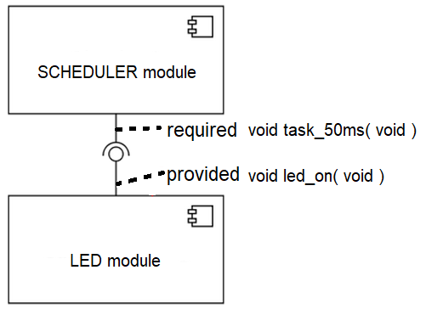

 |  |  | In conclusion, re-organize your scheduler module as follows:
 |  |  | scheduler.c, contains schedule_dispatcher, schedule_flags_management functions; acts as the collection of these lollipops
 |  |  | scheduler.h, contains prototypes of provided functions
 |  |  | scheduler_cfg.c, contains initially the tasks empty bodies and after you decide what to connect with that task (what function to be called
 |  |  |  | when task is executed) contains that function call; acts as the collection of these hooks
 |  |  | scheduler_cfg.h, contains prototypes of required functions

 | 522 | FALSE | Go to Ambient Light Application and refactor the code as follows:
 |  |  | -1- encapsulate/hide the data result to adc module (use static keyword)
 |  |  | -2- provide a "get" interface / function to use the data result in other modules, e.g. adc_get_data( );
 |  |  | -3- make use of task scheduler to schedule the start of conversion, getting and using the data result for ambient light indicator (the 3 LEDs)

 | 523 | FALSE | Use an online tool for UML diagrams to make a diagram for connections you decided between scheduler module and other modules of your program.
 |  |  | Use a UML component diagram type and the lollipop notation as above. Highlight the provided/required functions/tasks.
 |  |  | e.g. online tools: |  | draw.io
 |  |  |  |  | smartdraw.com
 |  |  |  |  | visual-paradigm.com

Objective |  | 3 | Understanding DEBOUNCE with Task Scheduler
🥇 | 0%

 | 531 | FALSE | Software Debounce
 | 532 | FALSE | Hardware Debounce
 | 533 | FALSE | The BOUNCE term applies to electric signal generated when we press the button.
 |  |  | The DEBOUNCE term intervenes when we want to read the signal. Can be implemented by reading 5x times the same signal generated when we push
 |  |  | the button. The readings are spaced-time apart with the help of the scheduler tasks. Finally the principle applied to the acquired 5 samples is the
 |  |  | majority principle: all samples must be with the same value (00000 or 11111) to consider the button pressed or not-pressed. The samples can be stored
 |  |  | temporary in a buffer (that means a variable whose bits are shifted to the left each time a new sample is acquired).
 |  |  | The debounce is done continously, all the time: with other words it is like a 5 samples window which is moving along the signal. So one sample in,
 |  |  | one sample out, one sample in, one sample out, etc.
 |  |  | We can characterize the debounce in terms of time:
 |  |  |  |  | debounce time = task of X ms * no. of samples, e.g. reading 5 samples within 10ms task => 50ms debounce time.
 | 534 | FALSE | OPTIONAL | Use the UML Activity Diagram type to illustrate the debounce algorithm (within the same online tools you have used before).

Objective |  | 4 | Control Panel REVISITED
🥇 | 0%

 | 541 | FALSE | Go to BMW Control Panel Application and refactor the code as follows:
 |  |  |  | - introduce the task scheduler for handling of buttons and LEDs behavior
 |  |  |  | - use debounce algorithm for a stable state of buttons

END OF WEEK 5

W3-part2
MARQUARDT SPRING INTERNSHIP 2023
GOAL FOR THIS WEEK 6: Fine tunning with PWM and State Machines |  |  |  |  |  |  |  |  | 0% |  | 0% | of additional materials [ 0 ]
 | By the end of this week you should be able to understand and implement PULSE WIDTH MODULATION + STATE MACHINES.
 | On short what you will do this week:
 |  | - use TC0/TC1 to build PWM signals
 |  | - control the brightness of LEDs with PWM
 |  | - understand and use the concept of state machines

Objective |  | 1 | Understanding PWM signals
🥇 | 0%

 | 611 | FALSE | PWM attributes
 | 612 | FALSE | How PWM works
 | 613 | FALSE | PWM with AVR timers explained
 | 614 | FALSE | An example with PWM

Objective |  | 2 | Fast PWM MODE of operation for TC0
🥇 | 0%

 | 621 | FALSE | The Fast PWM is an operating mode of TC0 timer.
 |  |  | Having already some experience with ADC operation and Normal/CTC modes of operation for TC0, you are now able to study chapter 17 in the
 |  |  | datasheet, looking for Fast PWM Mode. You should apply the same 8 identified steps as for the aforementioned operations.
 | 622 | FALSE | Check on the boards (user guides, schematics) to what pins you can output a PWM signal and if those pins have LEDs connected !!!
 |  |  | Not all pins can support/output PWM signals.
 | 623 | FALSE | Construct a new module for PWM feature containing the appropriate functions (remember: initialization, atomic actions, etc...)
 |  |  | Do the math for implementing into one single function the following 5 use cases with PWM:
 |  |  |  | - output a PWM signal with 100% duty cycle
 |  |  |  | - output a PWM signal with 75% duty cycle
 |  |  |  | - output a PWM signal with 50% duty cycle
 |  |  |  | - output a PWM signal with 25% duty cycle
 |  |  |  | - output a PWM signal with 0% duty cycle
 |  |  | Individually apply each case to the LED identified as supporting PWM.

 | 624 | FALSE | Having the Task Scheduler as your best friend (!) design an application where you incrementally apply these use cases to the LED identified
 |  |  | as supporting PWM.
 |  |  | e.g. you can apply the signal in an incremental way: on the first run of 10ms task you apply 0% duty cycle, on the second you apply 25% duty cycle,
 |  |  | on the third 50%, and so on and so forth, then start all over again.
 | 625 | FALSE | What is the duty cycle resolution of the PWM signals (=the smallest duty cycle % step you can increment with) that can be build on TC0 ?
 |  |  | Number of steps: |  | (<<< answer here) |  | Step size (resolution in %): |  |  | (<<< answer here)
 | 626 | FALSE | Add a new feature to your PWM driver: the possibility to change the duty-cycle with 1% step size. You would build a new provided interface e.g. void pwm_dc(int param);

Objective |  | 3 | Complex behaviors
🥇 | 0%

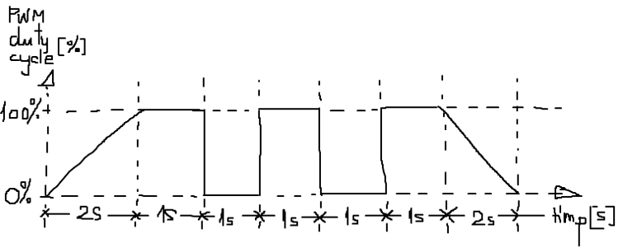
 | 631 | FALSE | Build the next behavior for the LED identified as supporting PWM. The sequence described will be repetitive with pause (=PWM duty cycle 0%) of 3s.
 |  |  | Be very attentive as the graphic below shows not the duty-cycle of a PWM signal, but the variation (!!!) of the PWM duty-cycle across time.
 |  |  | The duty-cycle resolution you choose for ramping up PWM from 0% to 100% is up-to-you.

 | 632 | FALSE | Build the next behavior for the LED identified as supporting PWM. Be attentive to the indications of the scale!
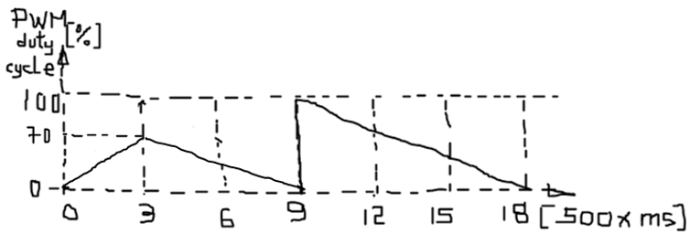

 | 633 | FALSE | OPTIONAL | Build an application varying the PWM signal applied to an LED based on sinus function, f(x) = sin(x). Note that it is impractical to look over
 |  |  |  | full and continous range of f(x) values, therefore you should consider only few discrete points (time, dc%).
 | 634 | FALSE | OPTIONAL | The Heart Beat illumination pattern is encountered in RENAULT products made by Marquardt.
 |  |  |  | In Reference Documents folder you will find the HeartBeat_illumination_pattern.xlsx file which presents you the variation of the PWM signal.
 |  |  |  | Build an application based on the Heart Beat illumination pattern.

Objective |  | 4 | HYUNDAI Imaginary Use Case
🥇 | 0%

 | 641 | FALSE | HYUNDAI is an important asian customer for Marquardt. It plans a new Elantra carline to be unveiled next year. Today they are in prototyping phase.
 |  |  | A Request For Bid (RFB) has been sent to Marquardt Rietheim Headquarters for a rapid prototype on Elantra's dashboard background illumination control.
 |  |  | Therefore the management of Marquardt set up a mixed german-romanian team to make a prototype and go to Seoul, South Koreea next week.
 |  |  | You are part of this team. If presentation to the customer is good then your team wins the project! Heavy responsability on you!


 |  |  |  |  |  |  |  | There are a just few requirements received from Hyundai. Lack of
 |  |  |  |  |  |  |  | details force you to take some engineering decisions to go on.
 |  |  |  |  |  |  |  | The requirements are refering to a day illumination design (that
 |  |  |  |  |  |  |  | means the way LEDs are behaving during the day light intensity)
 |  |  |  |  |  |  |  | and a night illumination design (that means the way LEDs are
 |  |  |  |  |  |  |  | behaving during night light intensity). Both designs are based
 |  |  |  |  |  |  |  | on the measured ambient light intensity within the driver's cockpit.
 |  |  |  |  |  |  |  | The measurements are based on TEMT6000 light sensor which
 |  |  |  |  |  |  |  | outputs an analog signal (high light intensity = low voltage, and
 |  |  | low light intensity = high voltage). To make a good impression to the presentation in Seoul, you have chosen to use 10bit ADC resolution which assures a fine
 |  |  | grain reading of the light intensity. On the main board (ATmega324PB Xplained PRO) you choose SW0 switch to enable the headlights, therefore also the
 |  |  | interior light intensity measurements are started in parallel. You need these initial measurements to detect if your prototype should behave in day or night mode.

 |  |  | Once again, Hyundai detailed only the entry phase in the illumination design (when driver switches on the headlights!) and not the complete behavior (e.g. what
 |  |  | happens after entry phase when ambient light is changing continously, how reactive the prototype should be or the illumination curve response after entry phase).
 |  |  | The latter are up to you, to propose a certain design so that you please the customer. You can also counter-propose to Hyundai a different approach to the entry
 |  |  | phase, but this only after you presented his request :) e.g. maybe you observed the requested illumination pattern to be too agressive for the human eye because
 |  |  | of the PWM entry levels or too faint and not observable
 |  |  | Remember: in prototyping it is room for negociation, the final objective is to please the customer within realistic technological possibilities and win the project.

 |  |  | Additionally with OLED1 board you implement the visual feedback to the driver/passenger in the car. Use two LEDs, LED1 and LED2 for
 |  |  | background illumination in Day mode and Night Mode. Each time SW0 is pressed then the driver scenario turning on the headlights is repeated.
 |  |  | Take care that Hyundai has a preference over the entry phase in Day/Night design (see Table 741.1 and Table 741.2).

 |  |  | Table 741.1
 |  |  | Eye Perceived Light Levels | PWM % duty-cycle ABSOLUTE entry level | Design/Mode
 |  |  | 0 - 20 | 15% | Night
 |  |  | 21 - 40 | 20% | Night
 |  |  | 41 - 50 | 42% | Day
 |  |  | 51 - 70 | 80% | Day
 |  |  | 71 - 100 | 90% | Day

Entry phase starts with ABSOLUTE PWM% and continues with this RELATIVE pattern
 |  |  | Table 741.2
 |  |  | Time [sec] | Entry phase Night mode RELATIVE steps | Entry phase Day mode RELATIVE steps
 |  |  | 0 | 0 | 0
 |  |  | 0.2 | 1 | 4
 |  |  | 0.4 | 1 | 7
 |  |  | 0.6 | 3 | 16
 |  |  | 0.8 | 7 | 44
 |  |  | 1 | 16 | 59
 |  |  | 1.2 | 16 | 59
 |  |  | 1.4 | 14 | 55
 |  |  | 1.6 | 12 | 50
 |  |  | 1.8 | 10 | 45
 |  |  | 2 | 8 | 40

 |  |  | Success in winning the project !!! Enjoy your 22h flight and don't forget to come back with some souvenirs from Seoul !!!
 |  |  |  |  | 🛫 | 🛬

Objective 5: Measuring the code size
🥇 | 0%

 | 651 | FALSE | Why bother measuring the code size? In embedded systems we don't have at our disposal too much memory,
 |  |  | from ~2KB to ~8MB, therefore it becomes a highly important resource you should take care about.
 |  |  | Activate memory map by right-click on Project Name => Options => Linker => List and make sure you mark the
 |  |  | following checkboxes.

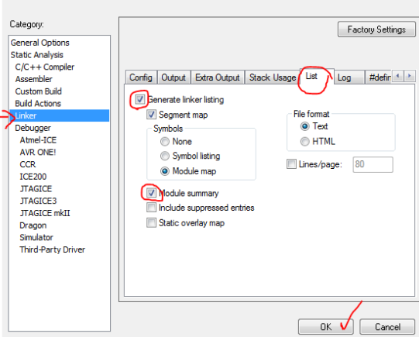
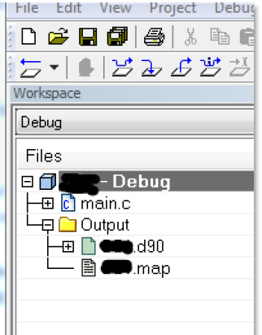

 | 652 | FALSE | Then, after compiling, open from Project Browser the .map file. This file is showing you the layout of object files and
 |  |  | how the linker processed those object files into the final executable file. There are a lot of thigns to know about linker, but
 |  |  | for the moment retain the following:
 |  |  | - a function or a variable is usually named ENTRY
 |  |  | - memory is organized in several zones, most important are CODE (storing your code) and DATA (storing your variables)
 |  |  | - within those memory zones there will be several types of SEGMENTS
 |  |  | - addresses are given in hexadecimal as start address and end address (in paranthesis is the ENTRY's total size in hexa)

 |  |  | Below is the example of main.r90 object file corresponding to main.c file containing the initial code from exercise 143 (yeah! week 1 :)).

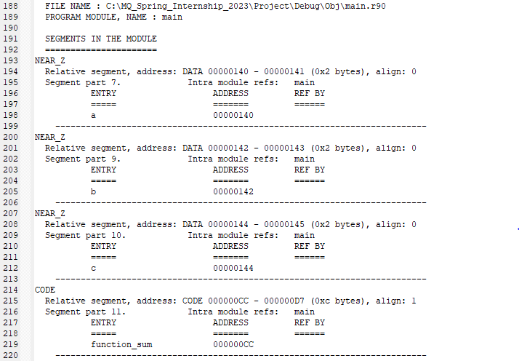

 | 653 | FALSE | Open the .map file of your current project code and check the code size for the following functions:
 |  |  | functions proposed for measuring |  | implementation with switch |  | implementation with binary operators
 |  |  |  |  | CODE | DATA* | CODE | DATA*
 |  |  | set_pin (…)
 |  |  | reset_pin(…)

 |  |  | *Note: as learned last week, the hardware registers are mapped to variables, therefore you should find them within DATA,
 |  |  | but you don't include them here when counting because their memory space is "used" anyway.

 | 654 | FALSE | Optimize your code in order to occupy less ROM memory. Keep a record or screenshots "before" and "after".
 | 655 | FALSE | Do you think code size is the only measure of code performance?
 |  |  | Can you give examples of other measures of code performance? |  |  |  |  | (<<< answer here)
 | 656 | FALSE | OPTIONAL | To modify one or several bits in a register without affecting the others, so just the ones you need,
 |  |  |  | you now have/know two methods: bitfields (see the expansion talk week 1) and bitmasks.
 |  |  |  | But which one is better to use in terms of code size and execution cycles?
 |  |  |  | Compare code performance when applying the two methods, in terms of code size and execution cycles,
 |  |  |  | for the use cases of modifying 1, 2, 3...., 8 bits at once.
 |  |  |  | You should use the assembler code in Disassembly window, and for each instruction you can check
 |  |  |  | the Instruction Set Summary in the microcontroller's datasheet for the amount of cycles/clocks it takes.
 |  |  |  | Table your data observed and draw conclusions.

Objective |  | 6 | Understanding State Machines (SM)
🥇 | 0%

 | 661 | FALSE | State machines ease programming microcontrollers - EDN
 | 662 | FALSE | What is a state machine? (itemis.com)
 | 663 | FALSE | As a summarization, the main elements of State Machines are STATES, EVENTS and TRANSITIONS which are executed based on some GUARDS conditions. When arriving
 |  |  | in a particular state, then an ACTION/OUTPUT has to be performed.
 |  |  | For OLED1 board imagine the following scenario:
 |  |  | - each button X (X = 1,2,3) when pressed will determine the corresponding LED X (X = 1,2,3) to be turned on
 |  |  | - when pressed a second time, the button X will turn off the corresponding LED X
 |  |  | Identify in a list (no t implement yet!) the key elements of a state machine in the described scenario (look for STATES, TRANSITIONS, GUARD CONDITIONS, ACTIONS/OUTPUTS).
 | 664 | FALSE | Use an UML STATE MACHINE DIAGRAM to describe/capture the elements identified previosuly.
 |  |  | e.g. online tools: |  | draw.io

Objective |  | 7 | Implementing State Machines
🥇 | 0%

 | 671 | FALSE | To implement the state machine description into C programming language we should consider the following:
 |  |  |  | - implementation using nested IFs statements
 |  |  |  | - implementation using SWITCH statement
 |  |  |  | - implementation using POINTERS to FUNCTIONS
 |  |  | We can also consider the following correspondence State Machine key elements - C constructs:
 |  |  |  | - STATES are usually kept into variables in C (some preference exists for enums as they keep an automatic numbering for the considered states)
 |  |  |  | - EVENTS are usually implemented like enums or simple variables
 |  |  |  | - TRANSITIONS are associated with a SWITCH structure (contained in the function handling the transitions) and the GUARD condition that must be met is checked with IF statement
 |  |  |  | - ACTIONS/OUTPUTS are all normal C code statements that have to be executed for that specific state (e.g. turn on LED)
 |  |  | All things considered, even if you are designing a state machine as a way to better organize your code, this will not exclude the usage of a task scheduler (since
 |  |  | the events and guard conditions will be checked constantly). In this way you have a very powerful combination between task scheduler and state machines as design concepts for
 |  |  | any embedded systems application.
 | 672 | FALSE | Consider LED0 with blinking behavior (ON 1sec, OFF 1 sec) implemented with IFs like in the example below. Use draw.io to draw UML State Machine diagram for it.
 |  |  | Then re-write the code using the Task Scheduler and your own State Machine to drive the behavior described.
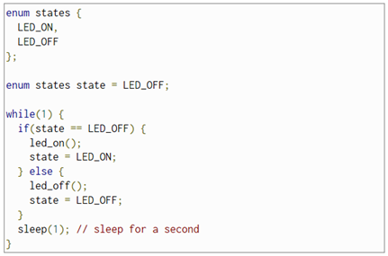

 | 673 | FALSE | Consider the code below. It is a State Machine to light up LED0 with a certain behavior. It is implemented with a SWITCH statement and state variable.
 |  |  | First, draw an UML State Machine diagram and then re-write the code using Task Scheduler and your own State Machine.
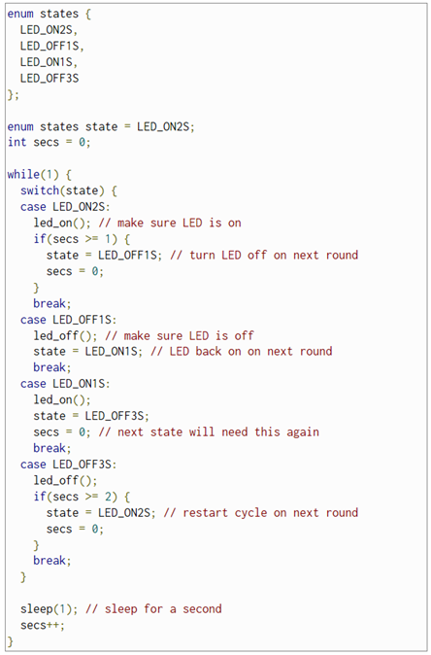

 | 674 | FALSE | Below is an example of how a pointer to function works.
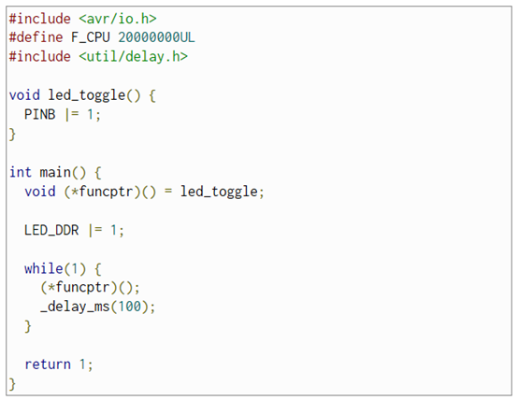

 |  |  | And further, you have a pointer to function based implementation of a LED0 behavior. Check if the State Machine is the same as previous exercises.
 |  |  | Re-write the code using pointers to functions, task scheduler and your own state machine (adapt to your board connections).
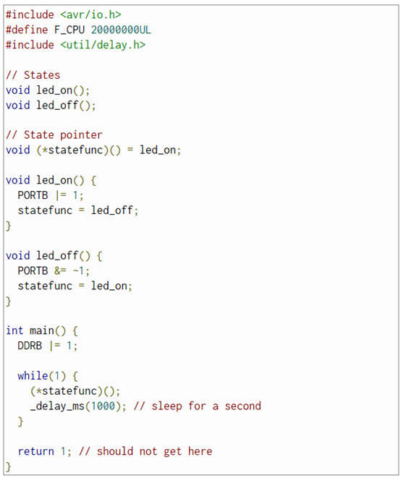

 | 675 | FALSE | What would be the advantage of using pointers to functions within state machines?

Objective |  | 8 | Control Panel Application RE-REVISITED
🥇 | 0%

 | 681 | FALSE | Go to BMW Control Panel Application and refactor the code using State Machine concept:
 |  |  | FALSE | identify key-elements
 |  |  | FALSE | draw State Machine diagram
 |  |  | FALSE | implement State Machine

END OF WEEK6

